Tyrphostin AG 825 vs. Tamoxifen
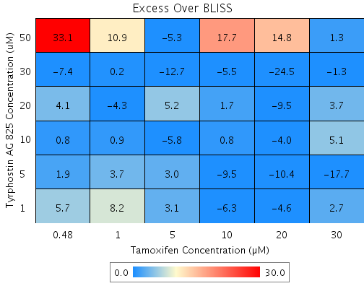
Drug1 | Drug1Conc | Drug1_NPI | Drug2 | Drug2Conc | Drug2_NPI | Sci_WellID | PredictedInhibition | ObservedInhibition | Excess Over BLISS | Excess Over BLISS Error | Excess Over BLISS Error Percent
Tyrphostin AG 825 | 50 | 29.6 | Tamoxifen | 30 | 88.5 | D6 | 91.917 | 93.2 | 1.3 | 21.286 | 1679.8
Tyrphostin AG 825 | 50 | 29.6 | Tamoxifen | 20 | 47.2 | D7 | 62.817 | 77.7 | 14.8 | 17.927 | 120.72
Tyrphostin AG 825 | 50 | 29.6 | Tamoxifen | 10 | 13.1 | F8 | 38.836 | 56.5 | 17.7 | 16.728 | 94.459
Tyrphostin AG 825 | 50 | 29.6 | Tamoxifen | 5 | 4 | C4 | 32.476 | 27.2 | -5.3 | 19.584 | 370.49
Tyrphostin AG 825 | 50 | 29.6 | Tamoxifen | 1 | 0.1 | F5 | 29.726 | 40.6 | 10.9 | 24.433 | 224.85
Tyrphostin AG 825 | 50 | 29.6 | Tamoxifen | 0.48 | 0.7 | F7 | 30.129 | 63.2 | 33.1 | 15.948 | 48.194
Tyrphostin AG 825 | 30 | 8.6 | Tamoxifen | 30 | 88.5 | C8 | 89.502 | 88.2 | -1.3 | 5.4486 | 423.74
Tyrphostin AG 825 | 30 | 8.6 | Tamoxifen | 20 | 47.2 | E5 | 51.711 | 27.3 | -24.5 | 12.15 | 49.692
Tyrphostin AG 825 | 30 | 8.6 | Tamoxifen | 10 | 13.1 | G5 | 20.567 | 15.1 | -5.5 | 4.6881 | 85.878
Tyrphostin AG 825 | 30 | 8.6 | Tamoxifen | 5 | 4 | E10 | 12.307 | -0.4 | -12.7 | 7.8881 | 62.147
Tyrphostin AG 825 | 30 | 8.6 | Tamoxifen | 1 | 0.1 | F2 | 8.7357 | 8.9 | 0.2 | 3.4068 | 1729.7
Tyrphostin AG 825 | 30 | 8.6 | Tamoxifen | 0.48 | 0.7 | D8 | 9.2599 | 1.8 | -7.4 | 7.49 | 100.91
Tyrphostin AG 825 | 20 | -1.4 | Tamoxifen | 30 | 88.5 | C6 | 88.358 | 92 | 3.7 | 3.5609 | 96.466
Tyrphostin AG 825 | 20 | -1.4 | Tamoxifen | 20 | 47.2 | F9 | 46.446 | 36.9 | -9.5 | 6.964 | 73.167
Tyrphostin AG 825 | 20 | -1.4 | Tamoxifen | 10 | 13.1 | G6 | 11.908 | 13.6 | 1.7 | 4.2966 | 247.52
Tyrphostin AG 825 | 20 | -1.4 | Tamoxifen | 5 | 4 | D5 | 2.7473 | 7.9 | 5.2 | 1.9434 | 37.575
Tyrphostin AG 825 | 20 | -1.4 | Tamoxifen | 1 | 0.1 | B3 | -1.2135 | -5.5 | -4.3 | 10.709 | 248.15
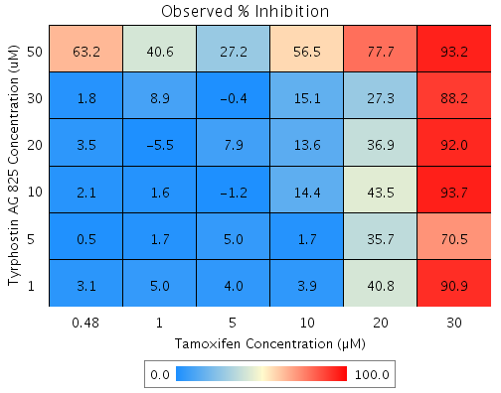
Tyrphostin AG 825 | 20 | -1.4 | Tamoxifen | 0.48 | 0.7 | C2 | -0.63209 | 3.5 | 4.1 | 3.2015 | 77.971
Tyrphostin AG 825 | 10 | 0.6 | Tamoxifen | 30 | 88.5 | B9 | 88.58 | 93.7 | 5.1 | 3.5436 | 68.917
Tyrphostin AG 825 | 10 | 0.6 | Tamoxifen | 20 | 47.2 | B10 | 47.467 | 43.5 | -4 | 4.0351 | 102.12
Tyrphostin AG 825 | 10 | 0.6 | Tamoxifen | 10 | 13.1 | B6 | 13.587 | 14.4 | 0.8 | 5.5446 | 670.36
Tyrphostin AG 825 | 10 | 0.6 | Tamoxifen | 5 | 4 | C5 | 4.6015 | -1.2 | -5.8 | 6.9457 | 119.97
Tyrphostin AG 825 | 10 | 0.6 | Tamoxifen | 1 | 0.1 | G7 | 0.71618 | 1.6 | 0.9 | 3.4581 | 402.82
Tyrphostin AG 825 | 10 | 0.6 | Tamoxifen | 0.48 | 0.7 | B5 | 1.2865 | 2.1 | 0.8 | 3.5318 | 415.92
Tyrphostin AG 825 | 5 | -2.1 | Tamoxifen | 30 | 88.5 | E6 | 88.272 | 70.5 | -17.7 | 18 | 101.56
Tyrphostin AG 825 | 5 | -2.1 | Tamoxifen | 20 | 47.2 | C7 | 46.05 | 35.7 | -10.4 | 4.5607 | 43.855
Tyrphostin AG 825 | 5 | -2.1 | Tamoxifen | 10 | 13.1 | D9 | 11.256 | 1.7 | -9.5 | 8.2278 | 86.315
Tyrphostin AG 825 | 5 | -2.1 | Tamoxifen | 5 | 4 | G2 | 2.0274 | 5 | 3 | 4.1064 | 136.04
Tyrphostin AG 825 | 5 | -2.1 | Tamoxifen | 1 | 0.1 | E3 | -1.9628 | 1.7 | 3.7 | 4.2938 | 115.89
Tyrphostin AG 825 | 5 | -2.1 | Tamoxifen | 0.48 | 0.7 | E7 | -1.377 | 0.5 | 1.9 | 3.0704 | 160.39
Tyrphostin AG 825 | 1 | -3.3 | Tamoxifen | 30 | 88.5 | D2 | 88.13 | 90.9 | 2.7 | 5.2246 | 191.98
Tyrphostin AG 825 | 1 | -3.3 | Tamoxifen | 20 | 47.2 | F10 | 45.396 | 40.8 | -4.6 | 8.1382 | 177.39
Tyrphostin AG 825 | 1 | -3.3 | Tamoxifen | 10 | 13.1 | D4 | 10.181 | 3.9 | -6.3 | 7.4934 | 119.78
Tyrphostin AG 825 | 1 | -3.3 | Tamoxifen | 5 | 4 | F4 | 0.8404 | 4 | 3.1 | 2.8123 | 89.899
Tyrphostin AG 825 | 1 | -3.3 | Tamoxifen | 1 | 0.1 | B2 | -3.1981 | 5 | 8.2 | 3.0609 | 37.286
Tyrphostin AG 825 | 1 | -3.3 | Tamoxifen | 0.48 | 0.7 | E9 | -2.6053 | 3.1 | 5.7 | 3.3033 | 58.169

Tyrphostin AG 825 vs. MG 132
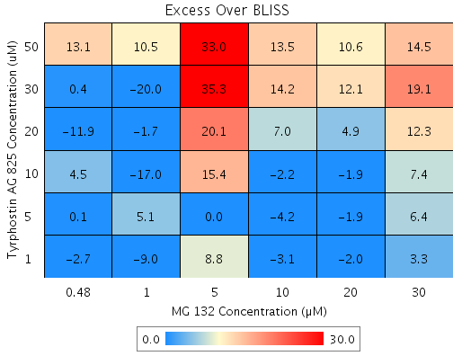
Drug1 | Drug1Conc | Drug1_NPI | Drug2 | Drug2Conc | Drug2_NPI | Sci_WellID | PredictedInhibition | ObservedInhibition | Excess Over BLISS | Excess Over BLISS Error | Excess Over BLISS Error Percent
Tyrphostin AG 825 | 50 | 26 | MG 132 | 30 | 70.7 | C5 | 78.317 | 92.8 | 14.5 | 6.0564 | 41.888
Tyrphostin AG 825 | 50 | 26 | MG 132 | 20 | 78.7 | C8 | 84.258 | 94.8 | 10.6 | 4.151 | 39.211
Tyrphostin AG 825 | 50 | 26 | MG 132 | 10 | 75.5 | F8 | 81.892 | 95.4 | 13.5 | 3.6653 | 27.137
Tyrphostin AG 825 | 50 | 26 | MG 132 | 5 | 50 | C10 | 63.023 | 96 | 33 | 11.246 | 34.109
Tyrphostin AG 825 | 50 | 26 | MG 132 | 1 | 8.3 | C7 | 32.163 | 42.7 | 10.5 | 8.4328 | 79.953
Tyrphostin AG 825 | 50 | 26 | MG 132 | 0.48 | -1.4 | G2 | 24.971 | 38 | 13.1 | 18.146 | 138.93
Tyrphostin AG 825 | 30 | 3 | MG 132 | 30 | 70.7 | B4 | 71.583 | 90.6 | 19.1 | 8.8323 | 46.325
Tyrphostin AG 825 | 30 | 3 | MG 132 | 20 | 78.7 | B5 | 79.37 | 91.4 | 12.1 | 8.291 | 68.762
Tyrphostin AG 825 | 30 | 3 | MG 132 | 10 | 75.5 | D2 | 76.268 | 90.5 | 14.2 | 8.0267 | 56.526
Tyrphostin AG 825 | 30 | 3 | MG 132 | 5 | 50 | B8 | 51.54 | 86.8 | 35.3 | 12.812 | 36.326
Tyrphostin AG 825 | 30 | 3 | MG 132 | 1 | 8.3 | G7 | 11.097 | -8.9 | -20 | 9.7537 | 48.75
Tyrphostin AG 825 | 30 | 3 | MG 132 | 0.48 | -1.4 | D6 | 1.6711 | 2.1 | 0.4 | 6.4047 | 1636.7
Tyrphostin AG 825 | 20 | 0.6 | MG 132 | 30 | 70.7 | C3 | 70.883 | 83.2 | 12.3 | 5.7032 | 46.307
Tyrphostin AG 825 | 20 | 0.6 | MG 132 | 20 | 78.7 | E2 | 78.861 | 83.8 | 4.9 | 3.1856 | 64.823
Tyrphostin AG 825 | 20 | 0.6 | MG 132 | 10 | 75.5 | C4 | 75.684 | 82.7 | 7 | 2.3885 | 34.071
Tyrphostin AG 825 | 20 | 0.6 | MG 132 | 5 | 50 | C6 | 50.346 | 70.5 | 20.1 | 12.137 | 60.343
Tyrphostin AG 825 | 20 | 0.6 | MG 132 | 1 | 8.3 | F7 | 8.9065 | 7.2 | -1.7 | 1.8421 | 106.72
Tyrphostin AG 825 | 20 | 0.6 | MG 132 | 0.48 | -1.4 | C2 | -0.75129 | -12.7 | -11.9 | 6.4258 | 53.802
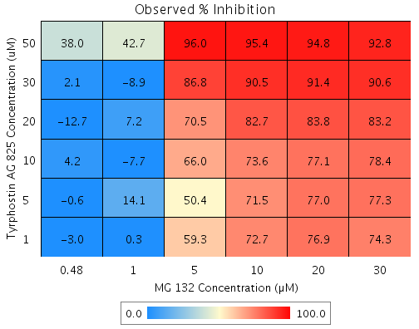
Tyrphostin AG 825 | 10 | 1.1 | MG 132 | 30 | 70.7 | E8 | 71.011 | 78.4 | 7.4 | 4.9442 | 66.653
Tyrphostin AG 825 | 10 | 1.1 | MG 132 | 20 | 78.7 | D8 | 78.954 | 77.1 | -1.9 | 2.5053 | 133
Tyrphostin AG 825 | 10 | 1.1 | MG 132 | 10 | 75.5 | B9 | 75.79 | 73.6 | -2.2 | 2.6492 | 119.97
Tyrphostin AG 825 | 10 | 1.1 | MG 132 | 5 | 50 | B6 | 50.564 | 66 | 15.4 | 10.575 | 68.571
Tyrphostin AG 825 | 10 | 1.1 | MG 132 | 1 | 8.3 | G5 | 9.3065 | -7.7 | -17 | 8.9222 | 52.593
Tyrphostin AG 825 | 10 | 1.1 | MG 132 | 0.48 | -1.4 | E6 | -0.30891 | 4.2 | 4.5 | 3.3705 | 74.673
Tyrphostin AG 825 | 5 | 0.7 | MG 132 | 30 | 70.7 | E7 | 70.916 | 77.3 | 6.4 | 5.0981 | 79.444
Tyrphostin AG 825 | 5 | 0.7 | MG 132 | 20 | 78.7 | D3 | 78.885 | 77 | -1.9 | 3.4225 | 184.71
Tyrphostin AG 825 | 5 | 0.7 | MG 132 | 10 | 75.5 | G6 | 75.711 | 71.5 | -4.2 | 4.5217 | 107.81
Tyrphostin AG 825 | 5 | 0.7 | MG 132 | 5 | 50 | G4 | 50.401 | 50.4 | 0 | 12.986 | 47311
Tyrphostin AG 825 | 5 | 0.7 | MG 132 | 1 | 8.3 | D10 | 9.0083 | 14.1 | 5.1 | 3.3533 | 65.289
Tyrphostin AG 825 | 5 | 0.7 | MG 132 | 0.48 | -1.4 | D7 | -0.6387 | -0.6 | 0.1 | 2.1176 | 2733.9
Tyrphostin AG 825 | 1 | 1 | MG 132 | 30 | 70.7 | F9 | 71.005 | 74.3 | 3.3 | 5.0948 | 154.85
Tyrphostin AG 825 | 1 | 1 | MG 132 | 20 | 78.7 | C9 | 78.95 | 76.9 | -2 | 3.5249 | 175.54
Tyrphostin AG 825 | 1 | 1 | MG 132 | 10 | 75.5 | E9 | 75.785 | 72.7 | -3.1 | 3.2736 | 104.45
Tyrphostin AG 825 | 1 | 1 | MG 132 | 5 | 50 | D4 | 50.553 | 59.3 | 8.8 | 12.577 | 143.52
Tyrphostin AG 825 | 1 | 1 | MG 132 | 1 | 8.3 | F4 | 9.2876 | 0.3 | -9 | 3.8425 | 42.922
Tyrphostin AG 825 | 1 | 1 | MG 132 | 0.48 | -1.4 | F6 | -0.3298 | -3 | -2.7 | 2.2 | 81.83

Tyrphostin AG 825 vs. Emetine
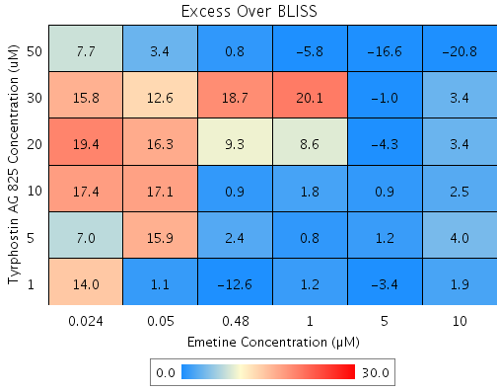

Drug1 | Drug1Conc | Drug1_NPI | Drug2 | Drug2Conc | Drug2_NPI | Sci_WellID | PredictedInhibition | ObservedInhibition | Excess Over BLISS | Excess Over BLISS Error | Excess Over BLISS Error Percent
Tyrphostin AG 825 | 50 | 55.1 | Emetine | 10 | 66.2 | C6 | 84.796 | 64 | -20.8 | 7.4828 | 35.93
Tyrphostin AG 825 | 50 | 55.1 | Emetine | 5 | 67.9 | B9 | 85.572 | 68.9 | -16.6 | 7.447 | 44.734
Tyrphostin AG 825 | 50 | 55.1 | Emetine | 1 | 47.9 | F7 | 76.57 | 70.7 | -5.8 | 7.5909 | 130.38
Tyrphostin AG 825 | 50 | 55.1 | Emetine | 0.48 | 38.6 | F3 | 72.427 | 73.2 | 0.8 | 6.7567 | 853.77
Tyrphostin AG 825 | 50 | 55.1 | Emetine | 0.05 | -12.5 | G6 | 49.452 | 52.9 | 3.4 | 7.9013 | 229.73
Tyrphostin AG 825 | 50 | 55.1 | Emetine | 0.024 | -13.5 | E10 | 49.007 | 56.7 | 7.7 | 10.759 | 140.23
Tyrphostin AG 825 | 30 | 0.5 | Emetine | 10 | 66.2 | E2 | 66.337 | 69.8 | 3.4 | 5.1741 | 151.21
Tyrphostin AG 825 | 30 | 0.5 | Emetine | 5 | 67.9 | F6 | 68.054 | 67.1 | -1 | 5.2972 | 530.91
Tyrphostin AG 825 | 30 | 0.5 | Emetine | 1 | 47.9 | F4 | 48.123 | 68.2 | 20.1 | 5.6268 | 28.046
Tyrphostin AG 825 | 30 | 0.5 | Emetine | 0.48 | 38.6 | C10 | 38.951 | 57.6 | 18.7 | 5.2183 | 27.939
Tyrphostin AG 825 | 30 | 0.5 | Emetine | 0.05 | -12.5 | E9 | -11.918 | 0.7 | 12.6 | 6.4154 | 50.838
Tyrphostin AG 825 | 30 | 0.5 | Emetine | 0.024 | -13.5 | G7 | -12.903 | 2.9 | 15.8 | 8.2127 | 51.817
Tyrphostin AG 825 | 20 | -6.3 | Emetine | 10 | 66.2 | C9 | 64.03 | 67.4 | 3.4 | 0.75977 | 22.231
Tyrphostin AG 825 | 20 | -6.3 | Emetine | 5 | 67.9 | C7 | 65.865 | 61.6 | -4.3 | 2.7402 | 63.781
Tyrphostin AG 825 | 20 | -6.3 | Emetine | 1 | 47.9 | E8 | 44.568 | 53.1 | 8.6 | 3.7821 | 44.114
Tyrphostin AG 825 | 20 | -6.3 | Emetine | 0.48 | 38.6 | G3 | 34.767 | 44.1 | 9.3 | 3.903 | 41.879
Tyrphostin AG 825 | 20 | -6.3 | Emetine | 0.05 | -12.5 | D4 | -19.588 | -3.3 | 16.3 | 5.0219 | 30.888
Tyrphostin AG 825 | 20 | -6.3 | Emetine | 0.024 | -13.5 | D10 | -20.641 | -1.3 | 19.4 | 7.5973 | 39.204
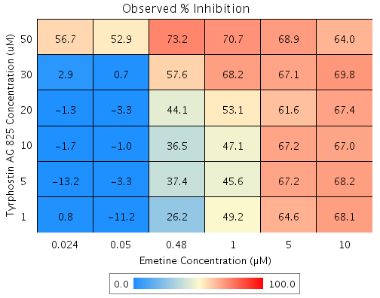
Tyrphostin AG 825 | 10 | -5 | Emetine | 10 | 66.2 | C5 | 64.477 | 67 | 2.5 | 0.82618 | 32.963
Tyrphostin AG 825 | 10 | -5 | Emetine | 5 | 67.9 | D5 | 66.289 | 67.2 | 0.9 | 2.5422 | 290.07
Tyrphostin AG 825 | 10 | -5 | Emetine | 1 | 47.9 | D9 | 45.256 | 47.1 | 1.8 | 3.6053 | 200.1
Tyrphostin AG 825 | 10 | -5 | Emetine | 0.48 | 38.6 | C3 | 35.577 | 36.5 | 0.9 | 3.3206 | 351.54
Tyrphostin AG 825 | 10 | -5 | Emetine | 0.05 | -12.5 | D7 | -18.103 | -1 | 17.1 | 5.7493 | 33.669
Tyrphostin AG 825 | 10 | -5 | Emetine | 0.024 | -13.5 | E5 | -19.143 | -1.7 | 17.4 | 7.9669 | 45.75
Tyrphostin AG 825 | 5 | -5.9 | Emetine | 10 | 66.2 | G10 | 64.162 | 68.2 | 4 | 3.6415 | 91.183
Tyrphostin AG 825 | 5 | -5.9 | Emetine | 5 | 67.9 | B10 | 65.99 | 67.2 | 1.2 | 4.9564 | 419.23
Tyrphostin AG 825 | 5 | -5.9 | Emetine | 1 | 47.9 | C4 | 44.772 | 45.6 | 0.8 | 4.7624 | 591.45
Tyrphostin AG 825 | 5 | -5.9 | Emetine | 0.48 | 38.6 | C8 | 35.007 | 37.4 | 2.4 | 4.6004 | 195.03
Tyrphostin AG 825 | 5 | -5.9 | Emetine | 0.05 | -12.5 | E6 | -19.149 | -3.3 | 15.9 | 6.0714 | 38.243
Tyrphostin AG 825 | 5 | -5.9 | Emetine | 0.024 | -13.5 | G2 | -20.198 | -13.2 | 7 | 8.9272 | 127.12
Tyrphostin AG 825 | 1 | 0.2 | Emetine | 10 | 66.2 | D2 | 66.241 | 68.1 | 1.9 | 3.6712 | 192.61
Tyrphostin AG 825 | 1 | 0.2 | Emetine | 5 | 67.9 | B6 | 67.963 | 64.6 | -3.4 | 4.9227 | 145.28
Tyrphostin AG 825 | 1 | 0.2 | Emetine | 1 | 47.9 | G5 | 47.975 | 49.2 | 1.2 | 5.2183 | 437.89
Tyrphostin AG 825 | 1 | 0.2 | Emetine | 0.48 | 38.6 | D8 | 38.777 | 26.2 | -12.6 | 6.7759 | 53.981
Tyrphostin AG 825 | 1 | 0.2 | Emetine | 0.05 | -12.5 | B4 | -12.238 | -11.2 | 1.1 | 10.696 | 988.39
Tyrphostin AG 825 | 1 | 0.2 | Emetine | 0.024 | -13.5 | B7 | -13.226 | 0.8 | 14 | 8.1642 | 58.115

Atovaquone vs. Mitoxanthrone
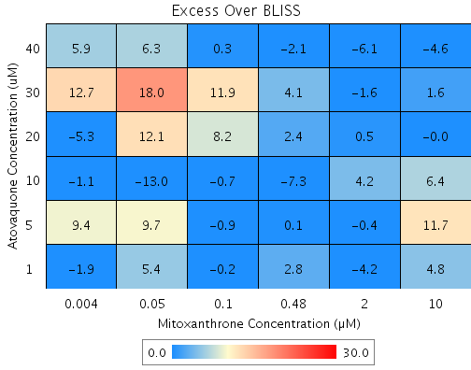
Drug1 | Drug1Conc | Drug1_NPI | Drug2 | Drug2Conc | Drug2_NPI | Sci_WellID | PredictedInhibition | ObservedInhibition | Excess Over BLISS | Excess Over BLISS Error | Excess Over BLISS Error Percent

Atovaquone | 40 | 47.1 | Mitoxanthrone | 10 | 65.2 | E9 | 81.594 | 77 | -4.6 | 5.2611 | 114.74
Atovaquone | 40 | 47.1 | Mitoxanthrone | 2 | 39.3 | E2 | 67.925 | 61.8 | -6.1 | 3.7784 | 61.492
Atovaquone | 40 | 47.1 | Mitoxanthrone | 0.48 | 3.4 | E5 | 48.899 | 46.8 | -2.1 | 3.6598 | 170.46
Atovaquone | 40 | 47.1 | Mitoxanthrone | 0.1 | -7.4 | G10 | 43.22 | 43.5 | 0.3 | 6.0763 | 2132.7
Atovaquone | 40 | 47.1 | Mitoxanthrone | 0.05 | -13.4 | C2 | 40.056 | 46.3 | 6.3 | 4.3672 | 69.72
Atovaquone | 40 | 47.1 | Mitoxanthrone | 0.004 | -11.5 | F10 | 41.052 | 46.9 | 5.9 | 3.0766 | 52.444
Atovaquone | 30 | 39.2 | Mitoxanthrone | 10 | 65.2 | D3 | 78.826 | 80.4 | 1.6 | 4.7021 | 293.79
Atovaquone | 30 | 39.2 | Mitoxanthrone | 2 | 39.3 | D6 | 63.101 | 61.5 | -1.6 | 3.8393 | 234.54
Atovaquone | 30 | 39.2 | Mitoxanthrone | 0.48 | 3.4 | D4 | 41.213 | 45.3 | 4.1 | 3.7857 | 93.317
Atovaquone | 30 | 39.2 | Mitoxanthrone | 0.1 | -7.4 | G3 | 34.681 | 46.6 | 11.9 | 4.5392 | 38.211
Atovaquone | 30 | 39.2 | Mitoxanthrone | 0.05 | -13.4 | G8 | 31.04 | 49.1 | 18 | 4.682 | 25.964
Atovaquone | 30 | 39.2 | Mitoxanthrone | 0.004 | -11.5 | D5 | 32.186 | 44.9 | 12.7 | 3.0684 | 24.153
Atovaquone | 20 | 39.2 | Mitoxanthrone | 10 | 65.2 | B7 | 78.825 | 78.8 | 0 | 3.7255 | 5.12E+05
Atovaquone | 20 | 39.2 | Mitoxanthrone | 2 | 39.3 | B10 | 63.1 | 63.6 | 0.5 | 3.501 | 683.23
Atovaquone | 20 | 39.2 | Mitoxanthrone | 0.48 | 3.4 | F3 | 41.212 | 43.6 | 2.4 | 3.0759 | 126.28
Atovaquone | 20 | 39.2 | Mitoxanthrone | 0.1 | -7.4 | B6 | 34.679 | 42.9 | 8.2 | 3.6144 | 43.873
Atovaquone | 20 | 39.2 | Mitoxanthrone | 0.05 | -13.4 | D7 | 31.039 | 43.2 | 12.1 | 3.5122 | 28.917
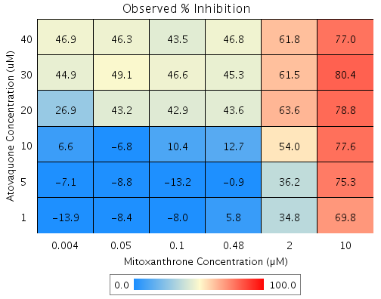
Atovaquone | 20 | 39.2 | Mitoxanthrone | 0.004 | -11.5 | C3 | 32.185 | 26.9 | -5.3 | 12.434 | 233.42
Atovaquone | 10 | 17.2 | Mitoxanthrone | 10 | 65.2 | B4 | 71.177 | 77.6 | 6.4 | 5.807 | 90.184
Atovaquone | 10 | 17.2 | Mitoxanthrone | 2 | 39.3 | C6 | 49.772 | 54 | 4.2 | 6.022 | 144
Atovaquone | 10 | 17.2 | Mitoxanthrone | 0.48 | 3.4 | B8 | 19.977 | 12.7 | -7.3 | 5.3911 | 74.247
Atovaquone | 10 | 17.2 | Mitoxanthrone | 0.1 | -7.4 | G7 | 11.085 | 10.4 | -0.7 | 5.6021 | 764.26
Atovaquone | 10 | 17.2 | Mitoxanthrone | 0.05 | -13.4 | C5 | 6.1293 | -6.8 | -13 | 9.7104 | 74.875
Atovaquone | 10 | 17.2 | Mitoxanthrone | 0.004 | -11.5 | B3 | 7.6892 | 6.6 | -1.1 | 4.7621 | 427.2
Atovaquone | 5 | -4.5 | Mitoxanthrone | 10 | 65.2 | F5 | 63.615 | 75.3 | 11.7 | 6.8712 | 58.939
Atovaquone | 5 | -4.5 | Mitoxanthrone | 2 | 39.3 | C4 | 36.593 | 36.2 | -0.4 | 8.4048 | 2144.9
Atovaquone | 5 | -4.5 | Mitoxanthrone | 0.48 | 3.4 | E8 | -1.0183 | -0.9 | 0.1 | 8.8496 | 6666.1
Atovaquone | 5 | -4.5 | Mitoxanthrone | 0.1 | -7.4 | C7 | -12.244 | -13.2 | -0.9 | 9.0247 | 963.51
Atovaquone | 5 | -4.5 | Mitoxanthrone | 0.05 | -13.4 | D9 | -18.499 | -8.8 | 9.7 | 6.8621 | 70.555
Atovaquone | 5 | -4.5 | Mitoxanthrone | 0.004 | -11.5 | F6 | -16.53 | -7.1 | 9.4 | 6.0504 | 64.48
Atovaquone | 1 | -0.4 | Mitoxanthrone | 10 | 65.2 | G6 | 65.047 | 69.8 | 4.8 | 3.7108 | 77.366
Atovaquone | 1 | -0.4 | Mitoxanthrone | 2 | 39.3 | E4 | 39.088 | 34.8 | -4.2 | 3.2886 | 77.452
Atovaquone | 1 | -0.4 | Mitoxanthrone | 0.48 | 3.4 | E7 | 2.9563 | 5.8 | 2.8 | 2.7681 | 98.527
Atovaquone | 1 | -0.4 | Mitoxanthrone | 0.1 | -7.4 | B2 | -7.8276 | -8 | -0.2 | 5.5852 | 2864.7
Atovaquone | 1 | -0.4 | Mitoxanthrone | 0.05 | -13.4 | E3 | -13.837 | -8.4 | 5.4 | 3.6383 | 67.192
Atovaquone | 1 | -0.4 | Mitoxanthrone | 0.004 | -11.5 | F4 | -11.945 | -13.9 | -1.9 | 3.0664 | 158.41

Epitiostanol vs. Sanguinarine
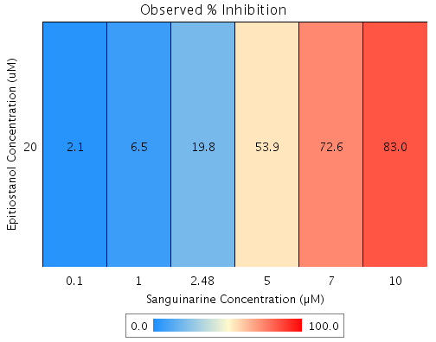
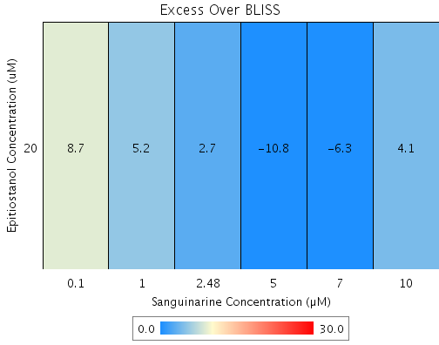
Drug1 | Drug1Conc | Drug1_NPI | Drug2 | Drug2Conc | Drug2_NPI | Sci_WellID | PredictedInhibition | ObservedInhibition | Excess Over BLISS | Excess Over BLISS Error | Excess Over BLISS Error Percent
Epitiostanol | 20 | -0.8 | Sanguinarine | 10 | 79.1 | B7 | 78.928 | 83 | 4.1 | 7.5073 | 184.78
Epitiostanol | 20 | -0.8 | Sanguinarine | 7 | 79 | D2 | 78.874 | 72.6 | -6.3 | 5.8395 | 92.829
Epitiostanol | 20 | -0.8 | Sanguinarine | 5 | 65 | G3 | 64.709 | 53.9 | -10.8 | 9.2576 | 85.623
Epitiostanol | 20 | -0.8 | Sanguinarine | 2.48 | 17.7 | F10 | 17.082 | 19.8 | 2.7 | 7.6315 | 281.66
Epitiostanol | 20 | -0.8 | Sanguinarine | 1 | 2.1 | E8 | 1.3168 | 6.5 | 5.2 | 4.9826 | 96.062
Epitiostanol | 20 | -0.8 | Sanguinarine | 0.1 | -5.7 | D9 | -6.5246 | 2.1 | 8.7 | 6.844 | 79.072

Epitiostanol vs. MG 132
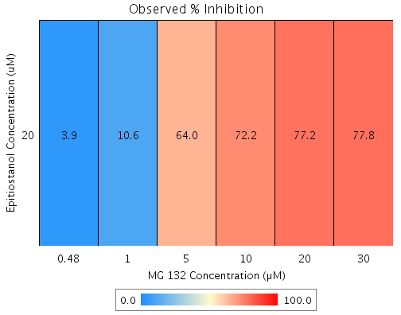
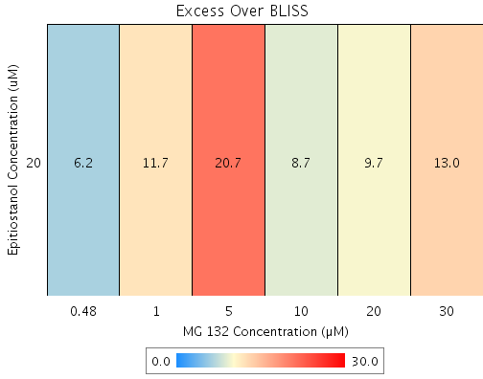
Drug1 | Drug1Conc | Drug1_NPI | Drug2 | Drug2Conc | Drug2_NPI | Sci_WellID | PredictedInhibition | ObservedInhibition | Excess Over BLISS | Excess Over BLISS Error | Excess Over BLISS Error Percent
Epitiostanol | 20 | -0.8 | MG 132 | 30 | 65.1 | C8 | 64.854 | 77.8 | 13 | 6.1125 | 47.057
Epitiostanol | 20 | -0.8 | MG 132 | 20 | 67.7 | F6 | 67.42 | 77.2 | 9.7 | 5.6375 | 57.89
Epitiostanol | 20 | -0.8 | MG 132 | 10 | 63.8 | E7 | 63.47 | 72.2 | 8.7 | 7.45 | 85.213
Epitiostanol | 20 | -0.8 | MG 132 | 5 | 43.7 | E6 | 43.279 | 64 | 20.7 | 8.8122 | 42.538
Epitiostanol | 20 | -0.8 | MG 132 | 1 | -0.3 | B8 | -1.136 | 10.6 | 11.7 | 7.2899 | 62.104
Epitiostanol | 20 | -0.8 | MG 132 | 0.48 | -1.5 | E4 | -2.2788 | 3.9 | 6.2 | 5.5914 | 90.192

Epitiostanol vs. GW 8510
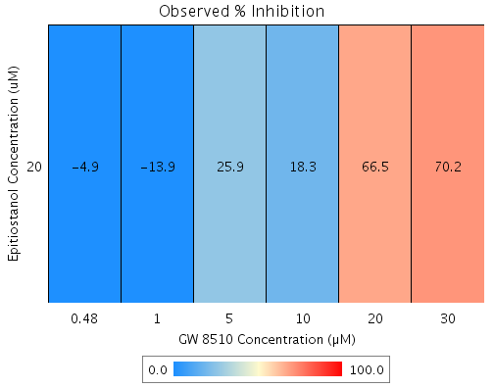
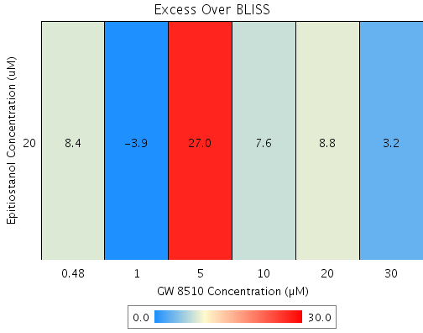
Drug1 | Drug1Conc | Drug1_NPI | Drug2 | Drug2Conc | Drug2_NPI | Sci_WellID | PredictedInhibition | ObservedInhibition | Excess Over BLISS | Excess Over BLISS Error | Excess Over BLISS Error Percent
Epitiostanol | 20 | -0.8 | GW 8510 | 30 | 67.2 | G10 | 66.977 | 70.2 | 3.2 | 6.7316 | 211.95
Epitiostanol | 20 | -0.8 | GW 8510 | 20 | 58 | C2 | 57.659 | 66.5 | 8.8 | 6.2547 | 71.036
Epitiostanol | 20 | -0.8 | GW 8510 | 10 | 11.4 | B5 | 10.696 | 18.3 | 7.6 | 11.329 | 148.23
Epitiostanol | 20 | -0.8 | GW 8510 | 5 | -0.2 | C10 | -1.0359 | 25.9 | 27 | 14.851 | 55.067
Epitiostanol | 20 | -0.8 | GW 8510 | 1 | -9.1 | D7 | -9.9911 | -13.9 | -3.9 | 7.6604 | 197.91
Epitiostanol | 20 | -0.8 | GW 8510 | 0.48 | -12.4 | F9 | -13.264 | -4.9 | 8.4 | 9.9308 | 118.81

Imatinib vs. GW 8510
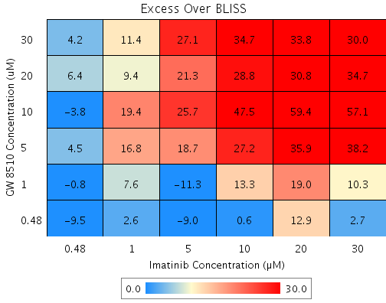
Drug1 | Drug1Conc | Drug1_NPI | Drug2 | Drug2Conc | Drug2_NPI | Sci_WellID | PredictedInhibition | ObservedInhibition | Excess Over BLISS | Excess Over BLISS Error | Excess Over BLISS Error Percent
GW 8510 | 30 | 65.6 | Imatinib | 30 | 11.9 | F2 | 69.66 | 99.7 | 30 | 3.8991 | 12.991
GW 8510 | 30 | 65.6 | Imatinib | 20 | -4.7 | G8 | 63.956 | 97.8 | 33.8 | 11.098 | 32.791
GW 8510 | 30 | 65.6 | Imatinib | 10 | -10.5 | C3 | 61.939 | 96.6 | 34.7 | 11.448 | 33.017
GW 8510 | 30 | 65.6 | Imatinib | 5 | -3 | E2 | 64.529 | 91.6 | 27.1 | 1.9236 | 7.0946
GW 8510 | 30 | 65.6 | Imatinib | 1 | -10.1 | B10 | 62.073 | 73.5 | 11.4 | 7.0252 | 61.543
GW 8510 | 30 | 65.6 | Imatinib | 0.48 | -0.4 | B7 | 65.431 | 69.6 | 4.2 | 2.5788 | 61.251
GW 8510 | 20 | 58.1 | Imatinib | 30 | 11.9 | D10 | 63.045 | 97.7 | 34.7 | 3.8701 | 11.168
GW 8510 | 20 | 58.1 | Imatinib | 20 | -4.7 | G10 | 56.097 | 86.9 | 30.8 | 11.391 | 36.953
GW 8510 | 20 | 58.1 | Imatinib | 10 | -10.5 | F7 | 53.641 | 82.4 | 28.8 | 11.172 | 38.807
GW 8510 | 20 | 58.1 | Imatinib | 5 | -3 | F3 | 56.796 | 78.1 | 21.3 | 1.9759 | 9.2883
GW 8510 | 20 | 58.1 | Imatinib | 1 | -10.1 | B4 | 53.804 | 63.2 | 9.4 | 6.9852 | 74.584
GW 8510 | 20 | 58.1 | Imatinib | 0.48 | -0.4 | B2 | 57.894 | 64.3 | 6.4 | 3.7229 | 57.748
GW 8510 | 10 | 9.2 | Imatinib | 30 | 11.9 | D4 | 20.024 | 77.1 | 57.1 | 16.391 | 28.71
GW 8510 | 10 | 9.2 | Imatinib | 20 | -4.7 | B5 | 4.9884 | 64.4 | 59.4 | 18.615 | 31.312
GW 8510 | 10 | 9.2 | Imatinib | 10 | -10.5 | E10 | -0.32813 | 47.2 | 47.5 | 18.962 | 39.912
GW 8510 | 10 | 9.2 | Imatinib | 5 | -3 | E5 | 6.5001 | 32.2 | 25.7 | 16.107 | 62.634
GW 8510 | 10 | 9.2 | Imatinib | 1 | -10.1 | B6 | 0.026427 | 19.4 | 19.4 | 17.457 | 90.026
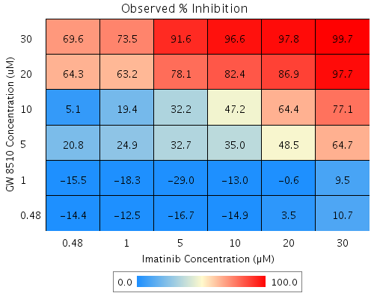
GW 8510 | 10 | 9.2 | Imatinib | 0.48 | -0.4 | G4 | 8.8767 | 5.1 | -3.8 | 19.336 | 505.65
GW 8510 | 5 | 16.6 | Imatinib | 30 | 11.9 | F5 | 26.501 | 64.7 | 38.2 | 5.3562 | 14.007
GW 8510 | 5 | 16.6 | Imatinib | 20 | -4.7 | F8 | 12.683 | 48.5 | 35.9 | 9.7676 | 27.238
GW 8510 | 5 | 16.6 | Imatinib | 10 | -10.5 | G3 | 7.7965 | 35 | 27.2 | 10.444 | 38.362
GW 8510 | 5 | 16.6 | Imatinib | 5 | -3 | D5 | 14.072 | 32.7 | 18.7 | 3.1716 | 17
GW 8510 | 5 | 16.6 | Imatinib | 1 | -10.1 | B8 | 8.1224 | 24.9 | 16.8 | 6.2996 | 37.549
GW 8510 | 5 | 16.6 | Imatinib | 0.48 | -0.4 | E6 | 16.256 | 20.8 | 4.5 | 3.6285 | 79.831
GW 8510 | 1 | -14.3 | Imatinib | 30 | 11.9 | D6 | -0.71636 | 9.5 | 10.3 | 3.8472 | 37.531
GW 8510 | 1 | -14.3 | Imatinib | 20 | -4.7 | E3 | -19.651 | -0.6 | 19 | 9.7048 | 50.971
GW 8510 | 1 | -14.3 | Imatinib | 10 | -10.5 | C8 | -26.347 | -13 | 13.3 | 10.254 | 76.898
GW 8510 | 1 | -14.3 | Imatinib | 5 | -3 | G2 | -17.748 | -29 | -11.3 | 7.7869 | 69.045
GW 8510 | 1 | -14.3 | Imatinib | 1 | -10.1 | C10 | -25.9 | -18.3 | 7.6 | 6.1023 | 79.993
GW 8510 | 1 | -14.3 | Imatinib | 0.48 | -0.4 | D7 | -14.755 | -15.5 | -0.8 | 2.0759 | 262.56
GW 8510 | 0.48 | -4.5 | Imatinib | 30 | 11.9 | D8 | 7.9328 | 10.7 | 2.7 | 3.9297 | 143.51
GW 8510 | 0.48 | -4.5 | Imatinib | 20 | -4.7 | E4 | -9.3762 | 3.5 | 12.9 | 9.9014 | 76.74
GW 8510 | 0.48 | -4.5 | Imatinib | 10 | -10.5 | D2 | -15.497 | -14.9 | 0.6 | 10.374 | 1614.8
GW 8510 | 0.48 | -4.5 | Imatinib | 5 | -3 | E7 | -7.6359 | -16.7 | -9 | 2.7381 | 30.339
GW 8510 | 0.48 | -4.5 | Imatinib | 1 | -10.1 | C7 | -15.088 | -12.5 | 2.6 | 6.7405 | 263.95
GW 8510 | 0.48 | -4.5 | Imatinib | 0.48 | -0.4 | F9 | -4.9 | -14.4 | -9.5 | 3.4192 | 35.894

Imatinib vs. Emetine
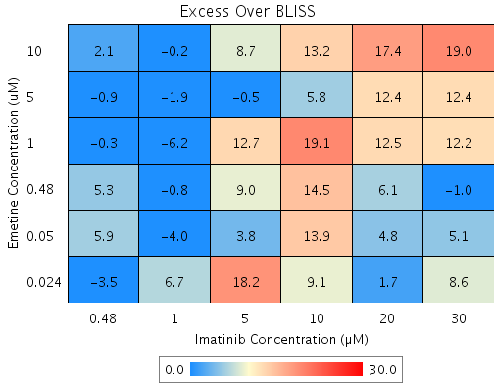
Drug1 | Drug1Conc | Drug1_NPI | Drug2 | Drug2Conc | Drug2_NPI | Sci_WellID | PredictedInhibition | ObservedInhibition | Excess Over BLISS | Excess Over BLISS Error | Excess Over BLISS Error Percent
Emetine | 10 | 66.3 | Imatinib | 30 | 14.2 | C5 | 71.075 | 90 | 19 | 3.3589 | 17.719
Emetine | 10 | 66.3 | Imatinib | 20 | 0.3 | C2 | 66.358 | 83.8 | 17.4 | 3.5384 | 20.279
Emetine | 10 | 66.3 | Imatinib | 10 | -14.5 | D5 | 61.389 | 74.6 | 13.2 | 12.129 | 91.744
Emetine | 10 | 66.3 | Imatinib | 5 | -10.2 | C3 | 62.828 | 71.6 | 8.7 | 11.928 | 136.33
Emetine | 10 | 66.3 | Imatinib | 1 | 1.7 | E7 | 66.829 | 66.6 | -0.2 | 5.6018 | 2881.9
Emetine | 10 | 66.3 | Imatinib | 0.48 | -6.6 | F9 | 64.035 | 66.1 | 2.1 | 6.873 | 325.34
Emetine | 5 | 67.9 | Imatinib | 30 | 14.2 | F8 | 72.476 | 84.9 | 12.4 | 4.2514 | 34.203
Emetine | 5 | 67.9 | Imatinib | 20 | 0.3 | F7 | 67.987 | 80.4 | 12.4 | 4.2597 | 34.257
Emetine | 5 | 67.9 | Imatinib | 10 | -14.5 | G10 | 63.259 | 69 | 5.8 | 13.354 | 231.41
Emetine | 5 | 67.9 | Imatinib | 5 | -10.2 | F4 | 64.628 | 64.1 | -0.5 | 12.013 | 2456.2
Emetine | 5 | 67.9 | Imatinib | 1 | 1.7 | E6 | 68.436 | 66.5 | -1.9 | 4.8421 | 252.59
Emetine | 5 | 67.9 | Imatinib | 0.48 | -6.6 | B5 | 65.777 | 64.9 | -0.9 | 7.1781 | 794.5
Emetine | 1 | 42 | Imatinib | 30 | 14.2 | E5 | 50.241 | 62.4 | 12.2 | 6.8393 | 56.144
Emetine | 1 | 42 | Imatinib | 20 | 0.3 | D6 | 42.125 | 54.6 | 12.5 | 5.2232 | 41.814
Emetine | 1 | 42 | Imatinib | 10 | -14.5 | D3 | 33.577 | 52.7 | 19.1 | 11.454 | 59.945
Emetine | 1 | 42 | Imatinib | 5 | -10.2 | B8 | 36.053 | 48.8 | 12.7 | 11.42 | 89.942
Emetine | 1 | 42 | Imatinib | 1 | 1.7 | F6 | 42.936 | 36.8 | -6.2 | 5.2307 | 84.659
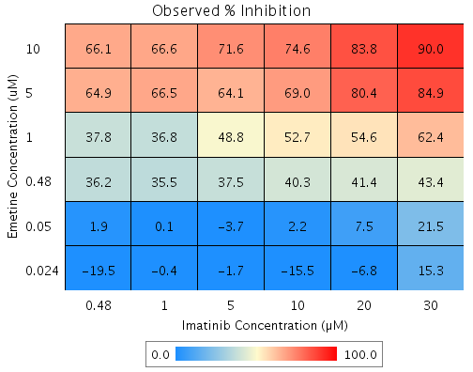
Emetine | 1 | 42 | Imatinib | 0.48 | -6.6 | G9 | 38.129 | 37.8 | -0.3 | 9.8554 | 2931.1
Emetine | 0.48 | 35.2 | Imatinib | 30 | 14.2 | G6 | 44.421 | 43.4 | -1 | 9.4973 | 941.46
Emetine | 0.48 | 35.2 | Imatinib | 20 | 0.3 | E2 | 35.356 | 41.4 | 6.1 | 4.7581 | 78.126
Emetine | 0.48 | 35.2 | Imatinib | 10 | -14.5 | F10 | 25.809 | 40.3 | 14.5 | 10.824 | 74.645
Emetine | 0.48 | 35.2 | Imatinib | 5 | -10.2 | F5 | 28.574 | 37.5 | 9 | 11.007 | 122.79
Emetine | 0.48 | 35.2 | Imatinib | 1 | 1.7 | E4 | 36.262 | 35.5 | -0.8 | 4.1838 | 527.07
Emetine | 0.48 | 35.2 | Imatinib | 0.48 | -6.6 | D9 | 30.892 | 36.2 | 5.3 | 6.0819 | 114.49
Emetine | 0.05 | 2.5 | Imatinib | 30 | 14.2 | C9 | 16.363 | 21.5 | 5.1 | 5.9612 | 116.6
Emetine | 0.05 | 2.5 | Imatinib | 20 | 0.3 | E9 | 2.7219 | 7.5 | 4.8 | 3.3303 | 69.616
Emetine | 0.05 | 2.5 | Imatinib | 10 | -14.5 | B7 | -11.646 | 2.2 | 13.9 | 9.9858 | 72.054
Emetine | 0.05 | 2.5 | Imatinib | 5 | -10.2 | F3 | -7.4849 | -3.7 | 3.8 | 9.9376 | 263.34
Emetine | 0.05 | 2.5 | Imatinib | 1 | 1.7 | C4 | 4.0854 | 0.1 | -4 | 4.1487 | 103.38
Emetine | 0.05 | 2.5 | Imatinib | 0.48 | -6.6 | B2 | -3.9957 | 1.9 | 5.9 | 6.1557 | 103.72
Emetine | 0.024 | -8.8 | Imatinib | 30 | 14.2 | B6 | 6.6742 | 15.3 | 8.6 | 9.6171 | 111.62
Emetine | 0.024 | -8.8 | Imatinib | 20 | 0.3 | G7 | -8.5472 | -6.8 | 1.7 | 14.129 | 827.98
Emetine | 0.024 | -8.8 | Imatinib | 10 | -14.5 | G3 | -24.579 | -15.5 | 9.1 | 16.197 | 178.33
Emetine | 0.024 | -8.8 | Imatinib | 5 | -10.2 | B3 | -19.936 | -1.7 | 18.2 | 12.822 | 70.433
Emetine | 0.024 | -8.8 | Imatinib | 1 | 1.7 | C8 | -7.0257 | -0.4 | 6.7 | 9.0507 | 135.86
Emetine | 0.024 | -8.8 | Imatinib | 0.48 | -6.6 | G8 | -16.043 | -19.5 | -3.5 | 11.655 | 332.97

Withaferin A vs. Mitoxanthrone
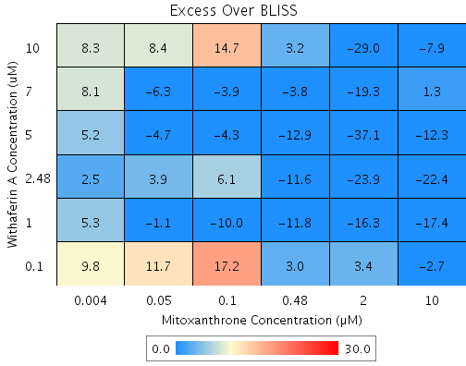
Drug1 | Drug1Conc | Drug1_NPI | Drug2 | Drug2Conc | Drug2_NPI | Sci_WellID | PredictedInhibition | ObservedInhibition | Excess Over BLISS | Excess Over BLISS Error | Excess Over BLISS Error Percent
Withaferin A | 10 | 52 | Mitoxanthrone | 10 | 76.5 | B7 | 88.732 | 80.8 | -7.9 | 11.807 | 148.98
Withaferin A | 10 | 52 | Mitoxanthrone | 2 | 48.3 | C8 | 75.169 | 46.2 | -29 | 20.684 | 71.392
Withaferin A | 10 | 52 | Mitoxanthrone | 0.48 | 13.1 | C4 | 58.263 | 61.4 | 3.2 | 12.085 | 379.49
Withaferin A | 10 | 52 | Mitoxanthrone | 0.1 | -7.9 | B2 | 48.155 | 62.8 | 14.7 | 15.424 | 105.17
Withaferin A | 10 | 52 | Mitoxanthrone | 0.05 | -5.1 | E6 | 49.528 | 57.9 | 8.4 | 10.619 | 126.27
Withaferin A | 10 | 52 | Mitoxanthrone | 0.004 | -6.5 | D2 | 48.829 | 57.1 | 8.3 | 11.966 | 144.97
Withaferin A | 7 | 26.6 | Mitoxanthrone | 10 | 76.5 | D6 | 82.788 | 84.1 | 1.3 | 17.875 | 1329.8
Withaferin A | 7 | 26.6 | Mitoxanthrone | 2 | 48.3 | E4 | 62.07 | 42.8 | -19.3 | 19.861 | 103.12
Withaferin A | 7 | 26.6 | Mitoxanthrone | 0.48 | 13.1 | B6 | 36.245 | 32.5 | -3.8 | 29.51 | 786.5
Withaferin A | 7 | 26.6 | Mitoxanthrone | 0.1 | -7.9 | C7 | 20.804 | 16.9 | -3.9 | 22.444 | 580.52
Withaferin A | 7 | 26.6 | Mitoxanthrone | 0.05 | -5.1 | C2 | 22.902 | 16.6 | -6.3 | 19.283 | 304.45
Withaferin A | 7 | 26.6 | Mitoxanthrone | 0.004 | -6.5 | C9 | 21.834 | 29.9 | 8.1 | 20.709 | 255.43
Withaferin A | 5 | 7.4 | Mitoxanthrone | 10 | 76.5 | D8 | 78.268 | 66 | -12.3 | 16.55 | 134.71
Withaferin A | 5 | 7.4 | Mitoxanthrone | 2 | 48.3 | G3 | 52.111 | 15 | -37.1 | 12.165 | 32.775
Withaferin A | 5 | 7.4 | Mitoxanthrone | 0.48 | 13.1 | B5 | 19.505 | 6.6 | -12.9 | 12.402 | 96.084
Withaferin A | 5 | 7.4 | Mitoxanthrone | 0.1 | -7.9 | C5 | 0.0092611 | -4.3 | -4.3 | 15.237 | 353.64
Withaferin A | 5 | 7.4 | Mitoxanthrone | 0.05 | -5.1 | C10 | 2.6577 | -2.1 | -4.7 | 11.029 | 232.95
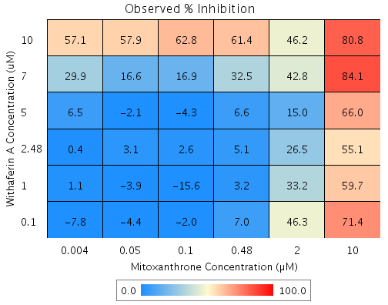
Withaferin A | 5 | 7.4 | Mitoxanthrone | 0.004 | -6.5 | B3 | 1.3094 | 6.5 | 5.2 | 12.086 | 233.37
Withaferin A | 2.48 | 4.1 | Mitoxanthrone | 10 | 76.5 | E5 | 77.505 | 55.1 | -22.4 | 8.7363 | 38.966
Withaferin A | 2.48 | 4.1 | Mitoxanthrone | 2 | 48.3 | E2 | 50.43 | 26.5 | -23.9 | 6.3533 | 26.566
Withaferin A | 2.48 | 4.1 | Mitoxanthrone | 0.48 | 13.1 | D3 | 16.679 | 5.1 | -11.6 | 5.1457 | 44.249
Withaferin A | 2.48 | 4.1 | Mitoxanthrone | 0.1 | -7.9 | G4 | -3.5 | 2.6 | 6.1 | 11.237 | 185.07
Withaferin A | 2.48 | 4.1 | Mitoxanthrone | 0.05 | -5.1 | C6 | -0.75862 | 3.1 | 3.9 | 5.4362 | 139.61
Withaferin A | 2.48 | 4.1 | Mitoxanthrone | 0.004 | -6.5 | B10 | -2.1543 | 0.4 | 2.5 | 13.922 | 552.05
Withaferin A | 1 | 2.2 | Mitoxanthrone | 10 | 76.5 | F3 | 77.054 | 59.7 | -17.4 | 9.1552 | 52.74
Withaferin A | 1 | 2.2 | Mitoxanthrone | 2 | 48.3 | D4 | 49.434 | 33.2 | -16.3 | 9.5435 | 58.694
Withaferin A | 1 | 2.2 | Mitoxanthrone | 0.48 | 13.1 | F4 | 15.005 | 3.2 | -11.8 | 8.1159 | 69.03
Withaferin A | 1 | 2.2 | Mitoxanthrone | 0.1 | -7.9 | G5 | -5.5796 | -15.6 | -10 | 15.855 | 158.03
Withaferin A | 1 | 2.2 | Mitoxanthrone | 0.05 | -5.1 | F7 | -2.7831 | -3.9 | -1.1 | 6.5986 | 598.25
Withaferin A | 1 | 2.2 | Mitoxanthrone | 0.004 | -6.5 | F2 | -4.2068 | 1.1 | 5.3 | 6.4521 | 121.2
Withaferin A | 0.1 | -10.4 | Mitoxanthrone | 10 | 76.5 | G7 | 74.098 | 71.4 | -2.7 | 9.3258 | 341.97
Withaferin A | 0.1 | -10.4 | Mitoxanthrone | 2 | 48.3 | F9 | 42.922 | 46.3 | 3.4 | 9.0688 | 268.03
Withaferin A | 0.1 | -10.4 | Mitoxanthrone | 0.48 | 13.1 | F6 | 4.059 | 7 | 3 | 8.3258 | 282.15
Withaferin A | 0.1 | -10.4 | Mitoxanthrone | 0.1 | -7.9 | G8 | -19.177 | -2 | 17.2 | 12.653 | 73.512
Withaferin A | 0.1 | -10.4 | Mitoxanthrone | 0.05 | -5.1 | D9 | -16.02 | -4.4 | 11.7 | 8.3434 | 71.601
Withaferin A | 0.1 | -10.4 | Mitoxanthrone | 0.004 | -6.5 | E3 | -17.627 | -7.8 | 9.8 | 7.3908 | 75.326

Withaferin A vs. Emetine
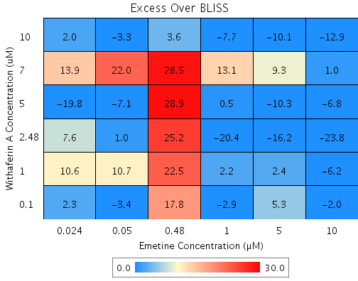
Drug1 | Drug1Conc | Drug1_NPI | Drug2 | Drug2Conc | Drug2_NPI | Sci_WellID | PredictedInhibition | ObservedInhibition | Excess Over BLISS | Excess Over BLISS Error | Excess Over BLISS Error Percent
Withaferin A | 10 | 60.1 | Emetine | 10 | 60.6 | D2 | 84.261 | 71.3 | -12.9 | 2.8943 | 22.376
Withaferin A | 10 | 60.1 | Emetine | 5 | 48.9 | B5 | 79.592 | 69.5 | -10.1 | 3.6357 | 36.068
Withaferin A | 10 | 60.1 | Emetine | 1 | 30.9 | B2 | 72.416 | 64.7 | -7.7 | 3.2399 | 42.136
Withaferin A | 10 | 60.1 | Emetine | 0.48 | 5.3 | D10 | 62.166 | 65.7 | 3.6 | 6.4678 | 181.6
Withaferin A | 10 | 60.1 | Emetine | 0.05 | -2.1 | G10 | 59.222 | 55.9 | -3.3 | 5.3729 | 162.28
Withaferin A | 10 | 60.1 | Emetine | 0.024 | -1.1 | E2 | 59.633 | 61.6 | 2 | 3.5265 | 179.79
Withaferin A | 7 | 4.9 | Emetine | 10 | 60.6 | D4 | 62.51 | 63.5 | 1 | 6.0991 | 631.21
Withaferin A | 7 | 4.9 | Emetine | 5 | 48.9 | C8 | 51.39 | 60.7 | 9.3 | 7.2425 | 77.882
Withaferin A | 7 | 4.9 | Emetine | 1 | 30.9 | G8 | 34.296 | 47.4 | 13.1 | 8.0756 | 61.614
Withaferin A | 7 | 4.9 | Emetine | 0.48 | 5.3 | F2 | 9.88 | 38.4 | 28.5 | 12.775 | 44.83
Withaferin A | 7 | 4.9 | Emetine | 0.05 | -2.1 | E9 | 2.8673 | 24.8 | 22 | 8.4333 | 38.402
Withaferin A | 7 | 4.9 | Emetine | 0.024 | -1.1 | B6 | 3.8474 | 17.8 | 13.9 | 8.4137 | 60.489
Withaferin A | 5 | -12 | Emetine | 10 | 60.6 | F4 | 55.869 | 49.1 | -6.8 | 3.1575 | 46.508
Withaferin A | 5 | -12 | Emetine | 5 | 48.9 | E5 | 42.78 | 32.5 | -10.3 | 7.9721 | 77.566
Withaferin A | 5 | -12 | Emetine | 1 | 30.9 | E4 | 22.658 | 23.2 | 0.5 | 10.031 | 1903.4
Withaferin A | 5 | -12 | Emetine | 0.48 | 5.3 | F10 | -6.083 | 22.8 | 28.9 | 6.6836 | 23.157
Withaferin A | 5 | -12 | Emetine | 0.05 | -2.1 | F7 | -14.338 | -21.4 | -7.1 | 9.7766 | 137.53
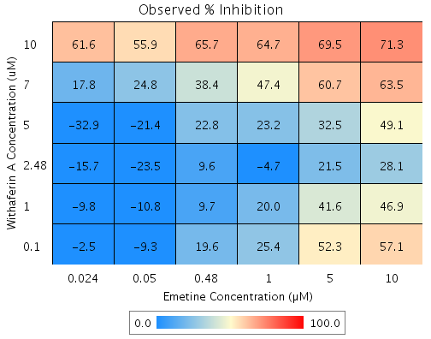
Withaferin A | 5 | -12 | Emetine | 0.024 | -1.1 | G2 | -13.184 | -32.9 | -19.8 | 4.3369 | 21.945
Withaferin A | 2.48 | -22 | Emetine | 10 | 60.6 | F5 | 51.931 | 28.1 | -23.8 | 7.1853 | 30.129
Withaferin A | 2.48 | -22 | Emetine | 5 | 48.9 | D7 | 37.674 | 21.5 | -16.2 | 8.356 | 51.706
Withaferin A | 2.48 | -22 | Emetine | 1 | 30.9 | G6 | 15.757 | -4.7 | -20.4 | 9.6854 | 47.409
Withaferin A | 2.48 | -22 | Emetine | 0.48 | 5.3 | B7 | -15.549 | 9.6 | 25.2 | 8.3623 | 33.205
Withaferin A | 2.48 | -22 | Emetine | 0.05 | -2.1 | F8 | -24.54 | -23.5 | 1 | 10.66 | 1063.2
Withaferin A | 2.48 | -22 | Emetine | 0.024 | -1.1 | F6 | -23.284 | -15.7 | 7.6 | 6.4173 | 84.658
Withaferin A | 1 | -19.1 | Emetine | 10 | 60.6 | E10 | 53.076 | 46.9 | -6.2 | 9.8357 | 158.59
Withaferin A | 1 | -19.1 | Emetine | 5 | 48.9 | D8 | 39.158 | 41.6 | 2.4 | 9.6211 | 395.81
Withaferin A | 1 | -19.1 | Emetine | 1 | 30.9 | B8 | 17.763 | 20 | 2.2 | 9.2932 | 420.84
Withaferin A | 1 | -19.1 | Emetine | 0.48 | 5.3 | F3 | -12.797 | 9.7 | 22.5 | 10.143 | 45.094
Withaferin A | 1 | -19.1 | Emetine | 0.05 | -2.1 | B4 | -21.574 | -10.8 | 10.7 | 8.3384 | 77.596
Withaferin A | 1 | -19.1 | Emetine | 0.024 | -1.1 | C7 | -20.347 | -9.8 | 10.6 | 8.6948 | 82.265
Withaferin A | 0.1 | -3.7 | Emetine | 10 | 60.6 | B9 | 59.118 | 57.1 | -2 | 1.6162 | 81.672
Withaferin A | 0.1 | -3.7 | Emetine | 5 | 48.9 | C9 | 46.992 | 52.3 | 5.3 | 2.7818 | 52.473
Withaferin A | 0.1 | -3.7 | Emetine | 1 | 30.9 | C3 | 28.352 | 25.4 | -2.9 | 2.5382 | 86.652
Withaferin A | 0.1 | -3.7 | Emetine | 0.48 | 5.3 | D9 | 1.7272 | 19.6 | 17.8 | 5.5435 | 31.057
Withaferin A | 0.1 | -3.7 | Emetine | 0.05 | -2.1 | G9 | -5.92 | -9.3 | -3.4 | 5.4396 | 161.64
Withaferin A | 0.1 | -3.7 | Emetine | 0.024 | -1.1 | C2 | -4.8511 | -2.5 | 2.3 | 1.5236 | 65.576

Sanguinarine vs. Atovaquone
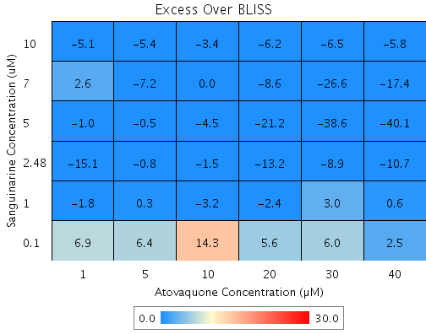
Drug1 | Drug1Conc | Drug1_NPI | Drug2 | Drug2Conc | Drug2_NPI | Sci_WellID | PredictedInhibition | ObservedInhibition | Excess Over BLISS | Excess Over BLISS Error
Sanguinarine | 10 | 87.3 | Atovaquone | 40 | 46.7 | B9 | 93.251 | 87.4 | -5.8 | 2.3857
Sanguinarine | 10 | 87.3 | Atovaquone | 30 | 46.4 | C10 | 93.222 | 86.7 | -6.5 | 2.2838
Sanguinarine | 10 | 87.3 | Atovaquone | 20 | 41.9 | E3 | 92.653 | 86.4 | -6.2 | 2.3243
Sanguinarine | 10 | 87.3 | Atovaquone | 10 | 11.6 | D9 | 88.808 | 85.4 | -3.4 | 4.029
Sanguinarine | 10 | 87.3 | Atovaquone | 5 | 3.4 | D7 | 87.778 | 82.4 | -5.4 | 2.2838
Sanguinarine | 10 | 87.3 | Atovaquone | 1 | 0.2 | C8 | 87.366 | 82.2 | -5.1 | 2.6654
Sanguinarine | 7 | 83.4 | Atovaquone | 40 | 46.7 | E10 | 91.121 | 73.8 | -17.4 | 6.7805
Sanguinarine | 7 | 83.4 | Atovaquone | 30 | 46.4 | G3 | 91.083 | 64.5 | -26.6 | 7.1996
Sanguinarine | 7 | 83.4 | Atovaquone | 20 | 41.9 | E9 | 90.335 | 81.7 | -8.6 | 4.7489
Sanguinarine | 7 | 83.4 | Atovaquone | 10 | 11.6 | D2 | 85.275 | 85.3 | 0 | 5.457
Sanguinarine | 7 | 83.4 | Atovaquone | 5 | 3.4 | G10 | 83.921 | 76.7 | -7.2 | 4.6414
Sanguinarine | 7 | 83.4 | Atovaquone | 1 | 0.2 | F6 | 83.379 | 85.9 | 2.6 | 4.4209
Sanguinarine | 5 | 76.1 | Atovaquone | 40 | 46.7 | F7 | 87.238 | 47.2 | -40.1 | 2.0307
Sanguinarine | 5 | 76.1 | Atovaquone | 30 | 46.4 | C9 | 87.183 | 48.6 | -38.6 | 2.617
Sanguinarine | 5 | 76.1 | Atovaquone | 20 | 41.9 | F5 | 86.108 | 64.9 | -21.2 | 1.1553
Sanguinarine | 5 | 76.1 | Atovaquone | 10 | 11.6 | B10 | 78.835 | 74.3 | -4.5 | 3.2576
Sanguinarine | 5 | 76.1 | Atovaquone | 5 | 3.4 | E6 | 76.889 | 76.4 | -0.5 | 1.2319
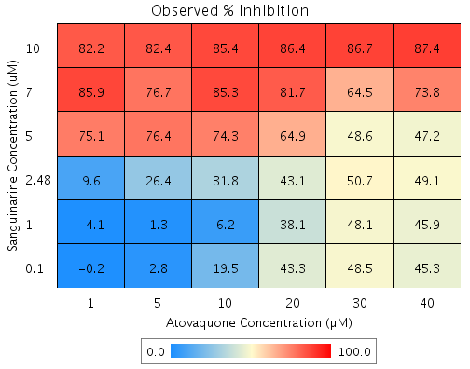
Sanguinarine | 5 | 76.1 | Atovaquone | 1 | 0.2 | B6 | 76.109 | 75.1 | -1 | 1.774
Sanguinarine | 2.48 | 24.6 | Atovaquone | 40 | 46.7 | F8 | 59.785 | 49.1 | -10.7 | 6.7989
Sanguinarine | 2.48 | 24.6 | Atovaquone | 30 | 46.4 | B4 | 59.611 | 50.7 | -8.9 | 6.8713
Sanguinarine | 2.48 | 24.6 | Atovaquone | 20 | 41.9 | C4 | 56.223 | 43.1 | -13.2 | 6.6132
Sanguinarine | 2.48 | 24.6 | Atovaquone | 10 | 11.6 | B7 | 33.306 | 31.8 | -1.5 | 8.7357
Sanguinarine | 2.48 | 24.6 | Atovaquone | 5 | 3.4 | C7 | 27.172 | 26.4 | -0.8 | 6.828
Sanguinarine | 2.48 | 24.6 | Atovaquone | 1 | 0.2 | G7 | 24.714 | 9.6 | -15.1 | 13.93
Sanguinarine | 1 | -2.5 | Atovaquone | 40 | 46.7 | G5 | 45.323 | 45.9 | 0.6 | 4.347
Sanguinarine | 1 | -2.5 | Atovaquone | 30 | 46.4 | B3 | 45.086 | 48.1 | 3 | 2.0351
Sanguinarine | 1 | -2.5 | Atovaquone | 20 | 41.9 | G2 | 40.48 | 38.1 | -2.4 | 3.5937
Sanguinarine | 1 | -2.5 | Atovaquone | 10 | 11.6 | G4 | 9.3212 | 6.2 | -3.2 | 9.1212
Sanguinarine | 1 | -2.5 | Atovaquone | 5 | 3.4 | B2 | 0.98056 | 1.3 | 0.3 | 1.8587
Sanguinarine | 1 | -2.5 | Atovaquone | 1 | 0.2 | C6 | -2.3605 | -4.1 | -1.8 | 2.1133
Sanguinarine | 0.1 | -7.3 | Atovaquone | 40 | 46.7 | D4 | 42.799 | 45.3 | 2.5 | 6.7753
Sanguinarine | 0.1 | -7.3 | Atovaquone | 30 | 46.4 | F2 | 42.552 | 48.5 | 6 | 6.8635
Sanguinarine | 0.1 | -7.3 | Atovaquone | 20 | 41.9 | B8 | 37.733 | 43.3 | 5.6 | 6.6846
Sanguinarine | 0.1 | -7.3 | Atovaquone | 10 | 11.6 | D10 | 5.1354 | 19.5 | 14.3 | 6.9879
Sanguinarine | 0.1 | -7.3 | Atovaquone | 5 | 3.4 | F10 | -3.5903 | 2.8 | 6.4 | 6.1421

Mitoxanthrone vs. Mefloquine
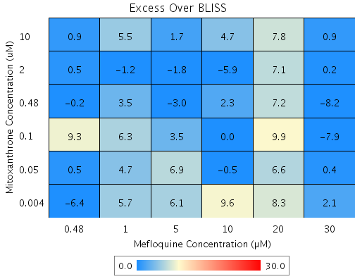
Drug1 | Drug1Conc | Drug1_NPI | Drug2 | Drug2Conc | Drug2_NPI | Sci_WellID | PredictedInhibition | ObservedInhibition | Excess Over BLISS | Excess Over BLISS Error | Excess Over BLISS Error Percent
Mitoxanthrone | 10 | 71.9 | Mefloquine | 30 | 96.3 | C7 | 98.958 | 99.8 | 0.9 | 4.0704 | 467.72
Mitoxanthrone | 10 | 71.9 | Mefloquine | 20 | 47.2 | F6 | 85.144 | 92.9 | 7.8 | 6.0234 | 77.699
Mitoxanthrone | 10 | 71.9 | Mefloquine | 10 | -8.5 | B4 | 69.487 | 74.2 | 4.7 | 6.3431 | 133.63
Mitoxanthrone | 10 | 71.9 | Mefloquine | 5 | -7.1 | F8 | 69.898 | 71.6 | 1.7 | 5.7328 | 328.17
Mitoxanthrone | 10 | 71.9 | Mefloquine | 1 | -5.2 | B2 | 70.423 | 75.9 | 5.5 | 4.4205 | 80.744
Mitoxanthrone | 10 | 71.9 | Mefloquine | 0.48 | -3.7 | E3 | 70.837 | 71.7 | 0.9 | 4.922 | 567.46
Mitoxanthrone | 2 | 39.5 | Mefloquine | 30 | 96.3 | C3 | 97.757 | 97.9 | 0.2 | 4.6576 | 2982.7
Mitoxanthrone | 2 | 39.5 | Mefloquine | 20 | 47.2 | B9 | 68.031 | 75.1 | 7.1 | 6.6999 | 94.89
Mitoxanthrone | 2 | 39.5 | Mefloquine | 10 | -8.5 | E5 | 34.336 | 28.5 | -5.9 | 7.463 | 127.56
Mitoxanthrone | 2 | 39.5 | Mefloquine | 5 | -7.1 | E4 | 35.221 | 33.4 | -1.8 | 7.6279 | 414.24
Mitoxanthrone | 2 | 39.5 | Mefloquine | 1 | -5.2 | C10 | 36.351 | 35.1 | -1.2 | 4.5106 | 372.79
Mitoxanthrone | 2 | 39.5 | Mefloquine | 0.48 | -3.7 | F4 | 37.242 | 37.7 | 0.5 | 5.8672 | 1264.5
Mitoxanthrone | 0.48 | 4.4 | Mefloquine | 30 | 96.3 | G5 | 96.455 | 88.2 | -8.2 | 10.671 | 129.48
Mitoxanthrone | 0.48 | 4.4 | Mefloquine | 20 | 47.2 | D8 | 49.477 | 56.7 | 7.2 | 7.5693 | 104.71
Mitoxanthrone | 0.48 | 4.4 | Mefloquine | 10 | -8.5 | G6 | -3.7733 | -1.5 | 2.3 | 8.4226 | 370.32
Mitoxanthrone | 0.48 | 4.4 | Mefloquine | 5 | -7.1 | B8 | -2.375 | -5.4 | -3 | 7.4391 | 244.37
Mitoxanthrone | 0.48 | 4.4 | Mefloquine | 1 | -5.2 | D6 | -0.58869 | 2.9 | 3.5 | 9.1782 | 262.53
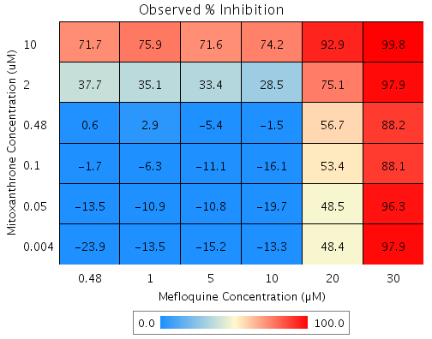
Mitoxanthrone | 0.48 | 4.4 | Mefloquine | 0.48 | -3.7 | B10 | 0.81864 | 0.6 | -0.2 | 7.1306 | 3108.4
Mitoxanthrone | 0.1 | -7 | Mefloquine | 30 | 96.3 | F5 | 96.032 | 88.1 | -7.9 | 10.945 | 138.36
Mitoxanthrone | 0.1 | -7 | Mefloquine | 20 | 47.2 | D7 | 43.451 | 53.4 | 9.9 | 8.5468 | 85.965
Mitoxanthrone | 0.1 | -7 | Mefloquine | 10 | -8.5 | E10 | -16.151 | -16.1 | 0 | 8.6053 | 29546
Mitoxanthrone | 0.1 | -7 | Mefloquine | 5 | -7.1 | D10 | -14.586 | -11.1 | 3.5 | 10.161 | 292.89
Mitoxanthrone | 0.1 | -7 | Mefloquine | 1 | -5.2 | B7 | -12.586 | -6.3 | 6.3 | 10.576 | 168.75
Mitoxanthrone | 0.1 | -7 | Mefloquine | 0.48 | -3.7 | G2 | -11.011 | -1.7 | 9.3 | 7.4215 | 79.639
Mitoxanthrone | 0.05 | -9.9 | Mefloquine | 30 | 96.3 | D9 | 95.926 | 96.3 | 0.4 | 9.7314 | 2458.4
Mitoxanthrone | 0.05 | -9.9 | Mefloquine | 20 | 47.2 | B3 | 41.935 | 48.5 | 6.6 | 9.8984 | 150.66
Mitoxanthrone | 0.05 | -9.9 | Mefloquine | 10 | -8.5 | G8 | -19.264 | -19.7 | -0.5 | 8.4048 | 1849.4
Mitoxanthrone | 0.05 | -9.9 | Mefloquine | 5 | -7.1 | F9 | -17.657 | -10.8 | 6.9 | 9.8046 | 142.94
Mitoxanthrone | 0.05 | -9.9 | Mefloquine | 1 | -5.2 | C2 | -15.604 | -10.9 | 4.7 | 9.5929 | 203.64
Mitoxanthrone | 0.05 | -9.9 | Mefloquine | 0.48 | -3.7 | E9 | -13.987 | -13.5 | 0.5 | 9.2424 | 1748.7
Mitoxanthrone | 0.004 | -13.3 | Mefloquine | 30 | 96.3 | G4 | 95.801 | 97.9 | 2.1 | 6.7382 | 325.28
Mitoxanthrone | 0.004 | -13.3 | Mefloquine | 20 | 47.2 | D5 | 40.157 | 48.4 | 8.3 | 8.986 | 108.78
Mitoxanthrone | 0.004 | -13.3 | Mefloquine | 10 | -8.5 | D4 | -22.916 | -13.3 | 9.6 | 9.0898 | 94.423
Mitoxanthrone | 0.004 | -13.3 | Mefloquine | 5 | -7.1 | G3 | -21.26 | -15.2 | 6.1 | 7.3294 | 121.07
Mitoxanthrone | 0.004 | -13.3 | Mefloquine | 1 | -5.2 | E6 | -19.144 | -13.5 | 5.7 | 7.0691 | 124.99
Mitoxanthrone | 0.004 | -13.3 | Mefloquine | 0.48 | -3.7 | C5 | -17.477 | -23.9 | -6.4 | 7.5095 | 116.98

Withaferin A vs. Sanguinarine
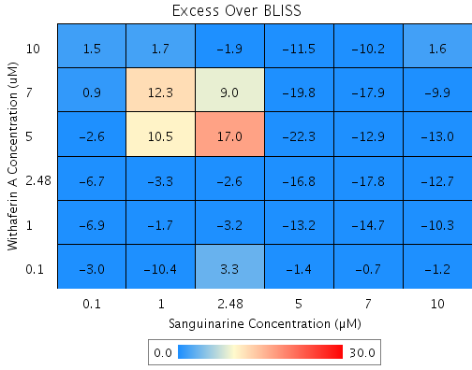
Drug1 | Drug1Conc | Drug1_NPI | Drug2 | Drug2Conc | Drug2_NPI | Sci_WellID | PredictedInhibition | ObservedInhibition | Excess Over BLISS | Excess Over BLISS Error | Excess Over BLISS Error Percent
Withaferin A | 10 | 79.7 | Sanguinarine | 10 | 82.5 | G3 | 96.464 | 98.1 | 1.6 | 2.0644 | 126.49
Withaferin A | 10 | 79.7 | Sanguinarine | 7 | 84.8 | C3 | 96.916 | 86.7 | -10.2 | 4.4178 | 43.37
Withaferin A | 10 | 79.7 | Sanguinarine | 5 | 78.4 | E3 | 95.624 | 84.1 | -11.5 | 1.2818 | 11.156
Withaferin A | 10 | 79.7 | Sanguinarine | 2.48 | 26 | B6 | 85.007 | 83.1 | -1.9 | 3.1258 | 161.44
Withaferin A | 10 | 79.7 | Sanguinarine | 1 | 3.1 | F10 | 80.368 | 82 | 1.7 | 3.3113 | 199.85
Withaferin A | 10 | 79.7 | Sanguinarine | 0.1 | 2.7 | C2 | 80.302 | 81.8 | 1.5 | 1.0178 | 68.829
Withaferin A | 7 | 55.4 | Sanguinarine | 10 | 82.5 | C8 | 92.214 | 82.3 | -9.9 | 12.165 | 123.02
Withaferin A | 7 | 55.4 | Sanguinarine | 7 | 84.8 | F6 | 93.209 | 75.3 | -17.9 | 10.937 | 61.071
Withaferin A | 7 | 55.4 | Sanguinarine | 5 | 78.4 | F3 | 90.363 | 70.6 | -19.8 | 9.5787 | 48.465
Withaferin A | 7 | 55.4 | Sanguinarine | 2.48 | 26 | F7 | 66.984 | 75.9 | 9 | 8.2717 | 92.336
Withaferin A | 7 | 55.4 | Sanguinarine | 1 | 3.1 | B5 | 56.769 | 69.1 | 12.3 | 8.1739 | 66.34
Withaferin A | 7 | 55.4 | Sanguinarine | 0.1 | 2.7 | D3 | 56.624 | 57.5 | 0.9 | 10.935 | 1205.3
Withaferin A | 5 | 16.4 | Sanguinarine | 10 | 82.5 | C10 | 85.402 | 72.4 | -13 | 6.6179 | 51.074
Withaferin A | 5 | 16.4 | Sanguinarine | 7 | 84.8 | B2 | 87.267 | 74.3 | -12.9 | 4.1511 | 32.124
Withaferin A | 5 | 16.4 | Sanguinarine | 5 | 78.4 | E5 | 81.931 | 59.6 | -22.3 | 5.7585 | 25.831
Withaferin A | 5 | 16.4 | Sanguinarine | 2.48 | 26 | E9 | 38.098 | 55.1 | 17 | 3.9122 | 23.052
Withaferin A | 5 | 16.4 | Sanguinarine | 1 | 3.1 | B8 | 18.944 | 29.4 | 10.5 | 6.7544 | 64.608
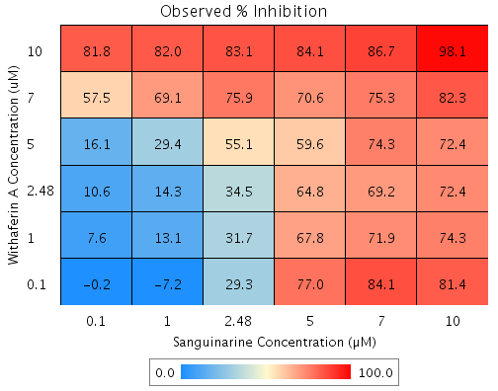
Withaferin A | 5 | 16.4 | Sanguinarine | 0.1 | 2.7 | E6 | 18.672 | 16.1 | -2.6 | 3.0382 | 116.12
Withaferin A | 2.48 | 15 | Sanguinarine | 10 | 82.5 | D5 | 85.161 | 72.4 | -12.7 | 5.5758 | 43.74
Withaferin A | 2.48 | 15 | Sanguinarine | 7 | 84.8 | C7 | 87.057 | 69.2 | -17.8 | 3.5874 | 20.115
Withaferin A | 2.48 | 15 | Sanguinarine | 5 | 78.4 | B7 | 81.632 | 64.8 | -16.8 | 3.5632 | 21.218
Withaferin A | 2.48 | 15 | Sanguinarine | 2.48 | 26 | F5 | 37.076 | 34.5 | -2.6 | 3.7429 | 145.19
Withaferin A | 2.48 | 15 | Sanguinarine | 1 | 3.1 | C5 | 17.606 | 14.3 | -3.3 | 11.27 | 336.89
Withaferin A | 2.48 | 15 | Sanguinarine | 0.1 | 2.7 | G9 | 17.33 | 10.6 | -6.7 | 3.1174 | 46.23
Withaferin A | 1 | 12 | Sanguinarine | 10 | 82.5 | G5 | 84.645 | 74.3 | -10.3 | 2.2002 | 21.288
Withaferin A | 1 | 12 | Sanguinarine | 7 | 84.8 | G4 | 86.607 | 71.9 | -14.7 | 1.1304 | 7.6969
Withaferin A | 1 | 12 | Sanguinarine | 5 | 78.4 | G8 | 80.994 | 67.8 | -13.2 | 1.3135 | 9.9598
Withaferin A | 1 | 12 | Sanguinarine | 2.48 | 26 | D7 | 34.889 | 31.7 | -3.2 | 3.2755 | 102.03
Withaferin A | 1 | 12 | Sanguinarine | 1 | 3.1 | G6 | 14.742 | 13.1 | -1.7 | 3.8727 | 229.6
Withaferin A | 1 | 12 | Sanguinarine | 0.1 | 2.7 | F9 | 14.456 | 7.6 | -6.9 | 1.2884 | 18.727
Withaferin A | 0.1 | 0.1 | Sanguinarine | 10 | 82.5 | E7 | 82.557 | 81.4 | -1.2 | 2.0916 | 178.42
Withaferin A | 0.1 | 0.1 | Sanguinarine | 7 | 84.8 | F8 | 84.787 | 84.1 | -0.7 | 2.3124 | 351.82
Withaferin A | 0.1 | 0.1 | Sanguinarine | 5 | 78.4 | F4 | 78.41 | 77 | -1.4 | 1.2423 | 87.923
Withaferin A | 0.1 | 0.1 | Sanguinarine | 2.48 | 26 | B9 | 26.037 | 29.3 | 3.3 | 6.3135 | 192.97
Withaferin A | 0.1 | 0.1 | Sanguinarine | 1 | 3.1 | C4 | 3.151 | -7.2 | -10.4 | 6.8656 | 66.036
Withaferin A | 0.1 | 0.1 | Sanguinarine | 0.1 | 2.7 | E2 | 2.8264 | -0.2 | -3 | 1.8597 | 61.507

Terfenadine vs. GW8510
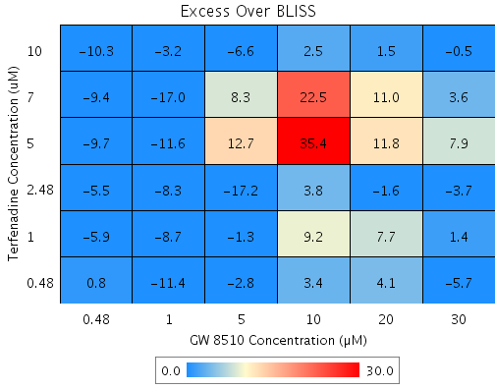
Drug1 | Drug1Conc | Drug1_NPI | Drug2 | Drug2Conc | Drug2_NPI | Sci_WellID | PredictedInhibition | ObservedInhibition | Excess Over BLISS | Excess Over BLISS Error | Excess Over BLISS Error Percent
Terfenadine | 10 | 94.5 | GW 8510 | 30 | 82.4 | C5 | 99.039 | 98.6 | -0.5 | 1.924 | 420.29
Terfenadine | 10 | 94.5 | GW 8510 | 20 | 53.6 | F6 | 97.471 | 99 | 1.5 | 4.4199 | 294.04
Terfenadine | 10 | 94.5 | GW 8510 | 10 | 13.2 | F8 | 95.267 | 97.7 | 2.5 | 5.1467 | 209.34
Terfenadine | 10 | 94.5 | GW 8510 | 5 | 19.2 | D10 | 95.596 | 89 | -6.6 | 1.5857 | 24.015
Terfenadine | 10 | 94.5 | GW 8510 | 1 | -5.2 | B7 | 94.262 | 91.1 | -3.2 | 3.1322 | 98.946
Terfenadine | 10 | 94.5 | GW 8510 | 0.48 | -2.2 | C6 | 94.428 | 84.1 | -10.3 | 7.7553 | 75.37
Terfenadine | 7 | 53.3 | GW 8510 | 30 | 82.4 | B2 | 91.769 | 95.3 | 3.6 | 21.838 | 613.73
Terfenadine | 7 | 53.3 | GW 8510 | 20 | 53.6 | G5 | 78.34 | 89.4 | 11 | 19.607 | 178.02
Terfenadine | 7 | 53.3 | GW 8510 | 10 | 13.2 | D2 | 59.456 | 82 | 22.5 | 17.808 | 79.141
Terfenadine | 7 | 53.3 | GW 8510 | 5 | 19.2 | B4 | 62.274 | 70.6 | 8.3 | 18.169 | 218.3
Terfenadine | 7 | 53.3 | GW 8510 | 1 | -5.2 | E4 | 50.851 | 33.9 | -17 | 18.605 | 109.56
Terfenadine | 7 | 53.3 | GW 8510 | 0.48 | -2.2 | D5 | 52.268 | 42.9 | -9.4 | 19.111 | 203.87
Terfenadine | 5 | 13.1 | GW 8510 | 30 | 82.4 | D3 | 84.676 | 92.6 | 7.9 | 6.0266 | 75.916
Terfenadine | 5 | 13.1 | GW 8510 | 20 | 53.6 | G10 | 59.674 | 71.5 | 11.8 | 9.4322 | 79.855
Terfenadine | 5 | 13.1 | GW 8510 | 10 | 13.2 | F2 | 24.516 | 59.9 | 35.4 | 10.436 | 29.503
Terfenadine | 5 | 13.1 | GW 8510 | 5 | 19.2 | E8 | 29.764 | 42.5 | 12.7 | 6.5266 | 51.319
Terfenadine | 5 | 13.1 | GW 8510 | 1 | -5.2 | C10 | 8.4969 | -3.1 | -11.6 | 5.6082 | 48.454
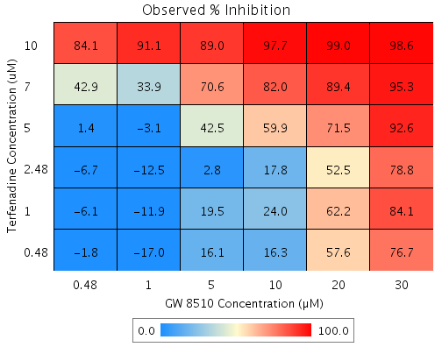
Terfenadine | 5 | 13.1 | GW 8510 | 0.48 | -2.2 | E5 | 11.135 | 1.4 | -9.7 | 5.6464 | 58.296
Terfenadine | 2.48 | 1 | GW 8510 | 30 | 82.4 | B5 | 82.544 | 78.8 | -3.7 | 7.0193 | 189.62
Terfenadine | 2.48 | 1 | GW 8510 | 20 | 53.6 | D7 | 54.064 | 52.5 | -1.6 | 6.9654 | 433.83
Terfenadine | 2.48 | 1 | GW 8510 | 10 | 13.2 | G8 | 14.015 | 17.8 | 3.8 | 9.036 | 240.38
Terfenadine | 2.48 | 1 | GW 8510 | 5 | 19.2 | G7 | 19.992 | 2.8 | -17.2 | 8.0949 | 47.137
Terfenadine | 2.48 | 1 | GW 8510 | 1 | -5.2 | D9 | -4.2338 | -12.5 | -8.3 | 6.1799 | 74.764
Terfenadine | 2.48 | 1 | GW 8510 | 0.48 | -2.2 | B8 | -1.2291 | -6.7 | -5.5 | 6.477 | 117.39
Terfenadine | 1 | 1.9 | GW 8510 | 30 | 82.4 | C4 | 82.715 | 84.1 | 1.4 | 1.6954 | 118.28
Terfenadine | 1 | 1.9 | GW 8510 | 20 | 53.6 | D8 | 54.512 | 62.2 | 7.7 | 3.8025 | 49.422
Terfenadine | 1 | 1.9 | GW 8510 | 10 | 13.2 | B6 | 14.854 | 24 | 9.2 | 4.6809 | 51.086
Terfenadine | 1 | 1.9 | GW 8510 | 5 | 19.2 | F10 | 20.773 | 19.5 | -1.3 | 4.4165 | 334.05
Terfenadine | 1 | 1.9 | GW 8510 | 1 | -5.2 | G6 | -3.2165 | -11.9 | -8.7 | 6.6324 | 76.045
Terfenadine | 1 | 1.9 | GW 8510 | 0.48 | -2.2 | E3 | -0.24109 | -6.1 | -5.9 | 6.3946 | 108.69
Terfenadine | 0.48 | -0.3 | GW 8510 | 30 | 82.4 | G2 | 82.315 | 76.7 | -5.7 | 3.8636 | 68.222
Terfenadine | 0.48 | -0.3 | GW 8510 | 20 | 53.6 | E7 | 53.46 | 57.6 | 4.1 | 4.025 | 97.88
Terfenadine | 0.48 | -0.3 | GW 8510 | 10 | 13.2 | E2 | 12.885 | 16.3 | 3.4 | 5.0058 | 146.03
Terfenadine | 0.48 | -0.3 | GW 8510 | 5 | 19.2 | C2 | 18.941 | 16.1 | -2.8 | 1.8555 | 65.124
Terfenadine | 0.48 | -0.3 | GW 8510 | 1 | -5.2 | G3 | -5.6032 | -17 | -11.4 | 5.0924 | 44.737
Terfenadine | 0.48 | -0.3 | GW 8510 | 0.48 | -2.2 | C9 | -2.559 | -1.8 | 0.8 | 1.1556 | 150.23

Mefloquine vs. MG 132
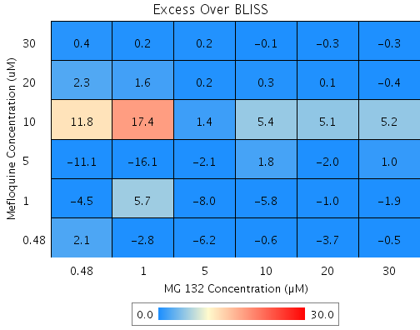
Drug1 | Drug1Conc | Drug1_NPI | Drug2 | Drug2Conc | Drug2_NPI | Sci_WellID | PredictedInhibition | ObservedInhibition | Excess Over BLISS | Excess Over BLISS Error | Excess Over BLISS Error Percent
Mefloquine | 30 | 99.6 | MG 132 | 30 | 80.3 | F3 | 99.914 | 99.6 | -0.3 | 1.4113 | 454.25
Mefloquine | 30 | 99.6 | MG 132 | 20 | 81.8 | F4 | 99.921 | 99.7 | -0.3 | 1.2777 | 485.92
Mefloquine | 30 | 99.6 | MG 132 | 10 | 78.9 | F10 | 99.908 | 99.9 | -0.1 | 2.073 | 4063.9
Mefloquine | 30 | 99.6 | MG 132 | 5 | 74.3 | E6 | 99.888 | 100.1 | 0.2 | 2.9951 | 1295.5
Mefloquine | 30 | 99.6 | MG 132 | 1 | 11.6 | C6 | 99.615 | 99.8 | 0.2 | 8.2277 | 4383.8
Mefloquine | 30 | 99.6 | MG 132 | 0.48 | 8.5 | C3 | 99.601 | 100 | 0.4 | 0.43595 | 119.69
Mefloquine | 20 | 97 | MG 132 | 30 | 80.3 | G9 | 99.417 | 99 | -0.4 | 1.6518 | 424.73
Mefloquine | 20 | 97 | MG 132 | 20 | 81.8 | F6 | 99.461 | 99.6 | 0.1 | 1.5767 | 1106
Mefloquine | 20 | 97 | MG 132 | 10 | 78.9 | E3 | 99.374 | 99.6 | 0.3 | 2.2261 | 878.66
Mefloquine | 20 | 97 | MG 132 | 5 | 74.3 | G2 | 99.238 | 99.4 | 0.2 | 3.0771 | 1581.2
Mefloquine | 20 | 97 | MG 132 | 1 | 11.6 | F8 | 97.385 | 99 | 1.6 | 8.1564 | 512.47
Mefloquine | 20 | 97 | MG 132 | 0.48 | 8.5 | D6 | 97.292 | 99.6 | 2.3 | 0.83264 | 36.087
Mefloquine | 10 | 31.2 | MG 132 | 30 | 80.3 | D7 | 86.455 | 91.7 | 5.2 | 9.2098 | 176.37
Mefloquine | 10 | 31.2 | MG 132 | 20 | 81.8 | E8 | 87.465 | 92.6 | 5.1 | 9.2203 | 181.05
Mefloquine | 10 | 31.2 | MG 132 | 10 | 78.9 | G6 | 85.457 | 90.9 | 5.4 | 9.2768 | 171.75
Mefloquine | 10 | 31.2 | MG 132 | 5 | 74.3 | G8 | 82.291 | 83.6 | 1.4 | 9.145 | 675.83
Mefloquine | 10 | 31.2 | MG 132 | 1 | 11.6 | C4 | 39.209 | 56.6 | 17.4 | 17.059 | 98.194
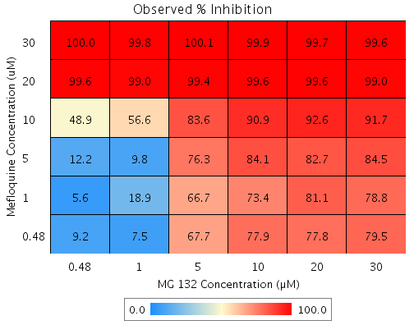
Mefloquine | 10 | 31.2 | MG 132 | 0.48 | 8.5 | B4 | 37.032 | 48.9 | 11.8 | 9.3818 | 79.269
Mefloquine | 5 | 16.2 | MG 132 | 30 | 80.3 | B9 | 83.5 | 84.5 | 1 | 2.4551 | 242.56
Mefloquine | 5 | 16.2 | MG 132 | 20 | 81.8 | E9 | 84.73 | 82.7 | -2 | 3.1292 | 154.84
Mefloquine | 5 | 16.2 | MG 132 | 10 | 78.9 | F5 | 82.284 | 84.1 | 1.8 | 2.6086 | 146.05
Mefloquine | 5 | 16.2 | MG 132 | 5 | 74.3 | B5 | 78.426 | 76.3 | -2.1 | 5.1262 | 246.72
Mefloquine | 5 | 16.2 | MG 132 | 1 | 11.6 | G4 | 25.943 | 9.8 | -16.1 | 9.3673 | 58.189
Mefloquine | 5 | 16.2 | MG 132 | 0.48 | 8.5 | E4 | 23.292 | 12.2 | -11.1 | 7.4208 | 67.027
Mefloquine | 1 | 1.7 | MG 132 | 30 | 80.3 | G7 | 80.652 | 78.8 | -1.9 | 4.3086 | 227.42
Mefloquine | 1 | 1.7 | MG 132 | 20 | 81.8 | E7 | 82.094 | 81.1 | -1 | 4.0567 | 420.7
Mefloquine | 1 | 1.7 | MG 132 | 10 | 78.9 | F7 | 79.226 | 73.4 | -5.8 | 5.4492 | 94.125
Mefloquine | 1 | 1.7 | MG 132 | 5 | 74.3 | B2 | 74.703 | 66.7 | -8 | 4.4189 | 55.269
Mefloquine | 1 | 1.7 | MG 132 | 1 | 11.6 | D3 | 13.161 | 18.9 | 5.7 | 6.8995 | 120.67
Mefloquine | 1 | 1.7 | MG 132 | 0.48 | 8.5 | B3 | 10.051 | 5.6 | -4.5 | 9.3212 | 208.15
Mefloquine | 0.48 | -1.5 | MG 132 | 30 | 80.3 | C7 | 80.012 | 79.5 | -0.5 | 7.1267 | 1541.5
Mefloquine | 0.48 | -1.5 | MG 132 | 20 | 81.8 | D9 | 81.502 | 77.8 | -3.7 | 6.9735 | 186.55
Mefloquine | 0.48 | -1.5 | MG 132 | 10 | 78.9 | B6 | 78.539 | 77.9 | -0.6 | 7.0225 | 1105.5
Mefloquine | 0.48 | -1.5 | MG 132 | 5 | 74.3 | C9 | 73.866 | 67.7 | -6.2 | 7.1368 | 115.87
Mefloquine | 0.48 | -1.5 | MG 132 | 1 | 11.6 | G5 | 10.29 | 7.5 | -2.8 | 10.899 | 387.12
Mefloquine | 0.48 | -1.5 | MG 132 | 0.48 | 8.5 | C2 | 7.078 | 9.2 | 2.1 | 6.2804 | 293.33

GW8510 vs. Withaferin A
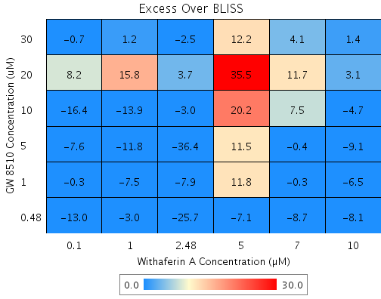
Drug1 | Drug1Conc | Drug1_NPI | Drug2 | Drug2Conc | Drug2_NPI | Sci_WellID | PredictedInhibition | ObservedInhibition | Excess Over BLISS | Excess Over BLISS Error | Excess Over BLISS Error Percent
GW 8510 | 30 | 72.6 | Withaferin A | 10 | 84 | F3 | 95.618 | 97 | 1.4 | 4.0747 | 286.16
GW 8510 | 30 | 72.6 | Withaferin A | 7 | 65.2 | F4 | 90.45 | 94.5 | 4.1 | 3.4711 | 85.617
GW 8510 | 30 | 72.6 | Withaferin A | 5 | 11.9 | D8 | 75.849 | 88 | 12.2 | 2.7918 | 22.956
GW 8510 | 30 | 72.6 | Withaferin A | 2.48 | 23.7 | B10 | 79.078 | 76.6 | -2.5 | 7.7409 | 314.08
GW 8510 | 30 | 72.6 | Withaferin A | 1 | -0.5 | B5 | 72.446 | 73.6 | 1.2 | 5.3592 | 448.77
GW 8510 | 30 | 72.6 | Withaferin A | 0.1 | -3.1 | G3 | 71.738 | 71 | -0.7 | 6.7577 | 962.05
GW 8510 | 20 | 42.1 | Withaferin A | 10 | 84 | E9 | 90.745 | 93.8 | 3.1 | 8.5494 | 277.73
GW 8510 | 20 | 42.1 | Withaferin A | 7 | 65.2 | C2 | 79.83 | 91.5 | 11.7 | 7.641 | 65.575
GW 8510 | 20 | 42.1 | Withaferin A | 5 | 11.9 | B3 | 48.996 | 84.5 | 35.5 | 6.6094 | 18.638
GW 8510 | 20 | 42.1 | Withaferin A | 2.48 | 23.7 | F5 | 55.814 | 59.5 | 3.7 | 9.0051 | 245.38
GW 8510 | 20 | 42.1 | Withaferin A | 1 | -0.5 | C8 | 41.808 | 57.6 | 15.8 | 7.4772 | 47.461
GW 8510 | 20 | 42.1 | Withaferin A | 0.1 | -3.1 | C6 | 40.312 | 48.5 | 8.2 | 7.3762 | 89.8
GW 8510 | 10 | 26.8 | Withaferin A | 10 | 84 | D4 | 88.304 | 83.6 | -4.7 | 18.145 | 386.1
GW 8510 | 10 | 26.8 | Withaferin A | 7 | 65.2 | F2 | 74.509 | 82 | 7.5 | 17.158 | 228
GW 8510 | 10 | 26.8 | Withaferin A | 5 | 11.9 | C4 | 35.539 | 55.7 | 20.2 | 14.09 | 69.861
GW 8510 | 10 | 26.8 | Withaferin A | 2.48 | 23.7 | D10 | 44.156 | 41.1 | -3 | 19.849 | 660.12
GW 8510 | 10 | 26.8 | Withaferin A | 1 | -0.5 | G8 | 26.454 | 12.6 | -13.9 | 15.028 | 108.19
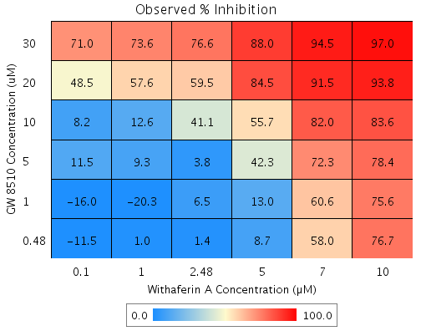
GW 8510 | 10 | 26.8 | Withaferin A | 0.1 | -3.1 | E4 | 24.564 | 8.2 | -16.4 | 14.508 | 88.398
GW 8510 | 5 | 21.5 | Withaferin A | 10 | 84 | E7 | 87.455 | 78.4 | -9.1 | 7.7778 | 85.664
GW 8510 | 5 | 21.5 | Withaferin A | 7 | 65.2 | G2 | 72.66 | 72.3 | -0.4 | 7.0609 | 1913.5
GW 8510 | 5 | 21.5 | Withaferin A | 5 | 11.9 | D2 | 30.864 | 42.3 | 11.5 | 6.0896 | 53.077
GW 8510 | 5 | 21.5 | Withaferin A | 2.48 | 23.7 | G7 | 40.106 | 3.8 | -36.4 | 8.8967 | 24.474
GW 8510 | 5 | 21.5 | Withaferin A | 1 | -0.5 | F9 | 21.121 | 9.3 | -11.8 | 7.5959 | 64.286
GW 8510 | 5 | 21.5 | Withaferin A | 0.1 | -3.1 | E5 | 19.093 | 11.5 | -7.6 | 7.0485 | 93.258
GW 8510 | 1 | -12.2 | Withaferin A | 10 | 84 | C10 | 82.067 | 75.6 | -6.5 | 5.3119 | 82.01
GW 8510 | 1 | -12.2 | Withaferin A | 7 | 65.2 | D7 | 60.917 | 60.6 | -0.3 | 4.7274 | 1600.7
GW 8510 | 1 | -12.2 | Withaferin A | 5 | 11.9 | F7 | 1.1675 | 13 | 11.8 | 4.8284 | 40.92
GW 8510 | 1 | -12.2 | Withaferin A | 2.48 | 23.7 | C5 | 14.379 | 6.5 | -7.9 | 7.3035 | 92.779
GW 8510 | 1 | -12.2 | Withaferin A | 1 | -0.5 | E6 | -12.761 | -20.3 | -7.5 | 6.2994 | 83.842
GW 8510 | 1 | -12.2 | Withaferin A | 0.1 | -3.1 | D3 | -15.66 | -16 | -0.3 | 7.3716 | 2341.7
GW 8510 | 0.48 | 4.4 | Withaferin A | 10 | 84 | C7 | 84.725 | 76.7 | -8.1 | 9.9212 | 123.01
GW 8510 | 0.48 | 4.4 | Withaferin A | 7 | 65.2 | G5 | 66.71 | 58 | -8.7 | 9.1356 | 104.59
GW 8510 | 0.48 | 4.4 | Withaferin A | 5 | 11.9 | G6 | 15.816 | 8.7 | -7.1 | 8.4291 | 117.97
GW 8510 | 0.48 | 4.4 | Withaferin A | 2.48 | 23.7 | C3 | 27.07 | 1.4 | -25.7 | 10.002 | 38.983
GW 8510 | 0.48 | 4.4 | Withaferin A | 1 | -0.5 | G4 | 3.9521 | 1 | -3 | 12.421 | 416.24
GW 8510 | 0.48 | 4.4 | Withaferin A | 0.1 | -3.1 | D9 | 1.4836 | -11.5 | -13 | 9.4881 | 73.079

Nicardipine vs. GW 8510
Drug1 | Drug1Conc | Drug1_NPI | Drug2 | Drug2Conc | Drug2_NPI | Sci_WellID | PredictedInhibition | ObservedInhibition | Excess Over BLISS | Excess Over BLISS Error | Excess Over BLISS Error Percent
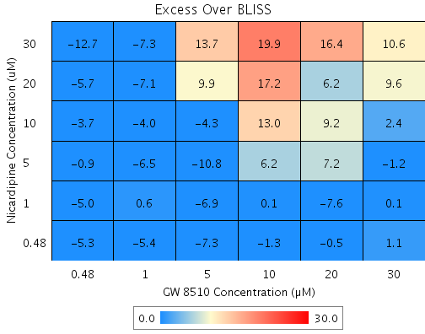
Nicardipine | 30 | 32.6 | GW 8510 | 30 | 71.7 | C8 | 80.915 | 91.5 | 10.6 | 6.2136 | 58.77
Nicardipine | 30 | 32.6 | GW 8510 | 20 | 60.1 | C9 | 73.103 | 89.5 | 16.4 | 6.9135 | 42.163
Nicardipine | 30 | 32.6 | GW 8510 | 10 | 23.6 | E10 | 48.539 | 68.5 | 19.9 | 13.855 | 69.516
Nicardipine | 30 | 32.6 | GW 8510 | 5 | 22.6 | D8 | 47.848 | 61.5 | 13.7 | 6.7264 | 49.271
Nicardipine | 30 | 32.6 | GW 8510 | 1 | -5 | D2 | 29.307 | 22 | -7.3 | 9.4136 | 129.03
Nicardipine | 30 | 32.6 | GW 8510 | 0.48 | -4.7 | F10 | 29.467 | 16.7 | -12.7 | 10.924 | 85.798
Nicardipine | 20 | 22.3 | GW 8510 | 30 | 71.7 | G8 | 77.997 | 87.6 | 9.6 | 6.3146 | 65.48
Nicardipine | 20 | 22.3 | GW 8510 | 20 | 60.1 | C4 | 68.99 | 75.1 | 6.2 | 7.8385 | 127.29
Nicardipine | 20 | 22.3 | GW 8510 | 10 | 23.6 | B2 | 40.671 | 57.9 | 17.2 | 13.942 | 81.006
Nicardipine | 20 | 22.3 | GW 8510 | 5 | 22.6 | G5 | 39.875 | 49.8 | 9.9 | 9.7366 | 98.433
Nicardipine | 20 | 22.3 | GW 8510 | 1 | -5 | B10 | 18.499 | 11.4 | -7.1 | 9.5867 | 135.06
Nicardipine | 20 | 22.3 | GW 8510 | 0.48 | -4.7 | E5 | 18.683 | 13 | -5.7 | 9.4919 | 166.94
Nicardipine | 10 | 10.2 | GW 8510 | 30 | 71.7 | C3 | 74.548 | 76.9 | 2.4 | 7.9834 | 338.29
Nicardipine | 10 | 10.2 | GW 8510 | 20 | 60.1 | D7 | 64.129 | 73.4 | 9.2 | 8.0252 | 86.872
Nicardipine | 10 | 10.2 | GW 8510 | 10 | 23.6 | F2 | 31.371 | 44.4 | 13 | 14.733 | 113.06
Nicardipine | 10 | 10.2 | GW 8510 | 5 | 22.6 | C6 | 30.45 | 26.2 | -4.3 | 7.3553 | 172.97
Nicardipine | 10 | 10.2 | GW 8510 | 1 | -5 | F3 | 5.7232 | 1.7 | -4 | 9.573 | 240.07
Nicardipine | 10 | 10.2 | GW 8510 | 0.48 | -4.7 | F7 | 5.9363 | 2.2 | -3.7 | 9.9056 | 266.79
Nicardipine | 5 | 8 | GW 8510 | 30 | 71.7 | D3 | 73.925 | 72.7 | -1.2 | 7.047 | 569.2
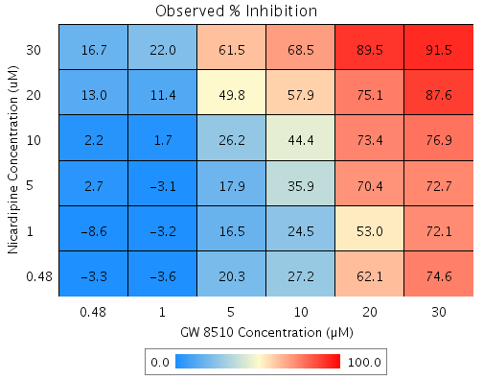
Nicardipine | 5 | 8 | GW 8510 | 20 | 60.1 | G7 | 63.252 | 70.4 | 7.2 | 8.4676 | 117.69
Nicardipine | 5 | 8 | GW 8510 | 10 | 23.6 | D4 | 29.692 | 35.9 | 6.2 | 15.354 | 249.21
Nicardipine | 5 | 8 | GW 8510 | 5 | 22.6 | B8 | 28.748 | 17.9 | -10.8 | 7.3088 | 67.367
Nicardipine | 5 | 8 | GW 8510 | 1 | -5 | C10 | 3.417 | -3.1 | -6.5 | 9.8996 | 151.86
Nicardipine | 5 | 8 | GW 8510 | 0.48 | -4.7 | G6 | 3.6352 | 2.7 | -0.9 | 9.1815 | 1028.9
Nicardipine | 1 | 1.1 | GW 8510 | 30 | 71.7 | B6 | 71.978 | 72.1 | 0.1 | 13.926 | 10801
Nicardipine | 1 | 1.1 | GW 8510 | 20 | 60.1 | F5 | 60.507 | 53 | -7.6 | 13.613 | 180.17
Nicardipine | 1 | 1.1 | GW 8510 | 10 | 23.6 | B9 | 24.441 | 24.5 | 0.1 | 19.399 | 20261
Nicardipine | 1 | 1.1 | GW 8510 | 5 | 22.6 | F9 | 23.427 | 16.5 | -6.9 | 12.924 | 187
Nicardipine | 1 | 1.1 | GW 8510 | 1 | -5 | E6 | -3.7965 | -3.2 | 0.6 | 13.594 | 2232.6
Nicardipine | 1 | 1.1 | GW 8510 | 0.48 | -4.7 | E9 | -3.5619 | -8.6 | -5 | 12.396 | 246.48
Nicardipine | 0.48 | 6.4 | GW 8510 | 30 | 71.7 | G3 | 73.473 | 74.6 | 1.1 | 6.6085 | 591.17
Nicardipine | 0.48 | 6.4 | GW 8510 | 20 | 60.1 | C7 | 62.615 | 62.1 | -0.5 | 7.6993 | 1576.3
Nicardipine | 0.48 | 6.4 | GW 8510 | 10 | 23.6 | G10 | 28.474 | 27.2 | -1.3 | 17.731 | 1398
Nicardipine | 0.48 | 6.4 | GW 8510 | 5 | 22.6 | B5 | 27.514 | 20.3 | -7.3 | 8.1127 | 111.71
Nicardipine | 0.48 | 6.4 | GW 8510 | 1 | -5 | F8 | 1.743 | -3.6 | -5.4 | 8.9163 | 165.76
Nicardipine | 0.48 | 6.4 | GW 8510 | 0.48 | -4.7 | E4 | 1.965 | -3.3 | -5.3 | 8.9349 | 168.78

Steps for Calculation

Calculate Percent Inhibition
Calculate BLISS

BLISS := (Drug1_InhibitionMean/100) + (Drug2_InhibitionMean/100) - (Drug1_InhibitionMean/100) * (Drug2_InhibitionMean/100);

#D1SEMsquared := Drug1_InhibitionSEM * Drug1_InhibitionSEM;
#D2SEMsquared := Drug2_InhibitionSEM * Drug2_InhibitionSEM;
#D1ActSquared := (Drug1_InhibitionMean/100) * (Drug1_InhibitionMean/100);
#D2ActSquared := (Drug2_InhibitionMean/100) * (Drug2_InhibitionMean/100);

BLISS_SEM := sqrt(((#D1SEMsquared)*(1+#D2ActSquared))+((#D2SEMsquared)*(1+#D1ActSquared)));

Tamoxifen vs. Atovaquone
Drug1 | Drug1Conc | Drug1_NPI | Drug2 | Drug2Conc | Drug2_NPI | Sci_WellID | PredictedInhibition | ObservedInhibition | Excess Over BLISS | Excess Over BLISS Error | Excess Over BLISS Error Percent
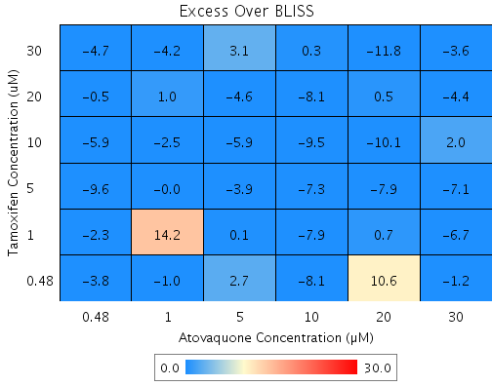
Tamoxifen | 5 | 11.4 | Atovaquone | 30 | 43 | F3 | 49.526 | 42.5 | -7.1 | 21.207 | 300.74
Tamoxifen | 30 | 52.4 | Atovaquone | 30 | 43 | G8 | 72.88 | 69.3 | -3.6 | 21.457 | 594.67
Tamoxifen | 30 | 52.4 | Atovaquone | 10 | 14.1 | B9 | 59.1 | 59.4 | 0.3 | 15.11 | 5294.2
Tamoxifen | 30 | 52.4 | Atovaquone | 5 | 7.5 | C3 | 55.962 | 59.1 | 3.1 | 14.492 | 468.49
Tamoxifen | 30 | 52.4 | Atovaquone | 1 | -0.6 | D5 | 52.082 | 47.9 | -4.2 | 2.765 | 66.098
Tamoxifen | 30 | 52.4 | Atovaquone | 0.48 | 7.9 | D10 | 56.138 | 51.5 | -4.7 | 4.9032 | 104.91
Tamoxifen | 20 | 23.1 | Atovaquone | 30 | 43 | F6 | 56.22 | 51.8 | -4.4 | 20.901 | 476.94
Tamoxifen | 20 | 23.1 | Atovaquone | 20 | 36.9 | F7 | 51.529 | 52 | 0.5 | 16.21 | 3442.9
Tamoxifen | 20 | 23.1 | Atovaquone | 10 | 14.1 | C4 | 33.975 | 25.9 | -8.1 | 6.363 | 78.606
Tamoxifen | 20 | 23.1 | Atovaquone | 5 | 7.5 | G2 | 28.909 | 24.3 | -4.6 | 3.4595 | 75.402
Tamoxifen | 20 | 23.1 | Atovaquone | 1 | -0.6 | E2 | 22.645 | 23.6 | 1 | 1.8047 | 179.72
Tamoxifen | 20 | 23.1 | Atovaquone | 0.48 | 7.9 | D2 | 29.193 | 28.7 | -0.5 | 3.3582 | 637.99
Tamoxifen | 10 | 17.6 | Atovaquone | 30 | 43 | C10 | 53.097 | 55.1 | 2 | 17.639 | 894.46
Tamoxifen | 10 | 17.6 | Atovaquone | 20 | 36.9 | F9 | 48.071 | 38 | -10.1 | 13.153 | 130
Tamoxifen | 10 | 17.6 | Atovaquone | 10 | 14.1 | E6 | 29.265 | 19.7 | -9.5 | 6.3175 | 66.337
Tamoxifen | 10 | 17.6 | Atovaquone | 5 | 7.5 | B3 | 23.837 | 17.9 | -5.9 | 3.764 | 63.914
Tamoxifen | 10 | 17.6 | Atovaquone | 1 | -0.6 | G3 | 17.126 | 14.6 | -2.5 | 2.4885 | 97.819
Tamoxifen | 10 | 17.6 | Atovaquone | 0.48 | 7.9 | E10 | 24.141 | 18.3 | -5.9 | 3.3824 | 57.704
Tamoxifen | 30 | 52.4 | Atovaquone | 20 | 36.9 | D8 | 69.974 | 58.2 | -11.8 | 12.072 | 102.32
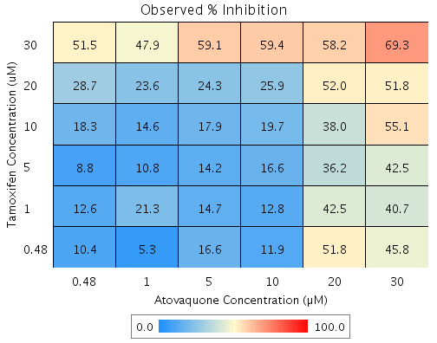
Tamoxifen | 5 | 11.4 | Atovaquone | 20 | 36.9 | E5 | 44.117 | 36.2 | -7.9 | 13.005 | 164.41
Tamoxifen | 5 | 11.4 | Atovaquone | 10 | 14.1 | B5 | 23.88 | 16.6 | -7.3 | 6.2123 | 85.617
Tamoxifen | 5 | 11.4 | Atovaquone | 5 | 7.5 | D4 | 18.038 | 14.2 | -3.9 | 3.4049 | 88.346
Tamoxifen | 5 | 11.4 | Atovaquone | 1 | -0.6 | C5 | 10.817 | 10.8 | 0 | 1.6452 | 7347.8
Tamoxifen | 5 | 11.4 | Atovaquone | 0.48 | 7.9 | F10 | 18.366 | 8.8 | -9.6 | 3.254 | 33.893
Tamoxifen | 1 | 7.7 | Atovaquone | 30 | 43 | G6 | 47.409 | 40.7 | -6.7 | 21.145 | 313.45
Tamoxifen | 1 | 7.7 | Atovaquone | 20 | 36.9 | E4 | 41.773 | 42.5 | 0.7 | 16.514 | 2343.5
Tamoxifen | 1 | 7.7 | Atovaquone | 10 | 14.1 | B4 | 20.686 | 12.8 | -7.9 | 6.2305 | 78.958
Tamoxifen | 1 | 7.7 | Atovaquone | 5 | 7.5 | D6 | 14.6 | 14.7 | 0.1 | 4.0501 | 6457.9
Tamoxifen | 1 | 7.7 | Atovaquone | 1 | -0.6 | E8 | 7.0754 | 21.3 | 14.2 | 7.9471 | 55.928
Tamoxifen | 1 | 7.7 | Atovaquone | 0.48 | 7.9 | B8 | 14.942 | 12.6 | -2.3 | 4.2866 | 185.08
Tamoxifen | 0.48 | 6.8 | Atovaquone | 30 | 43 | C2 | 46.926 | 45.8 | -1.2 | 18.679 | 1620.7
Tamoxifen | 0.48 | 6.8 | Atovaquone | 20 | 36.9 | B2 | 41.239 | 51.8 | 10.6 | 12.015 | 113.64
Tamoxifen | 0.48 | 6.8 | Atovaquone | 10 | 14.1 | C8 | 19.959 | 11.9 | -8.1 | 6.5316 | 80.819
Tamoxifen | 0.48 | 6.8 | Atovaquone | 5 | 7.5 | E3 | 13.817 | 16.6 | 2.7 | 10.641 | 389.29
Tamoxifen | 0.48 | 6.8 | Atovaquone | 1 | -0.6 | D3 | 6.2234 | 5.3 | -1 | 2.3648 | 246.64
Tamoxifen | 0.48 | 6.8 | Atovaquone | 0.48 | 7.9 | G10 | 14.162 | 10.4 | -3.8 | 4.1861 | 110.12

Tamoxifen vs. Mefloquine
Drug1 | Drug1Conc | Drug1_NPI | Drug2 | Drug2Conc | Drug2_NPI | Sci_WellID | PredictedInhibition | ObservedInhibition | Excess Over BLISS | Excess Over BLISS Error | Excess Over BLISS Error Percent
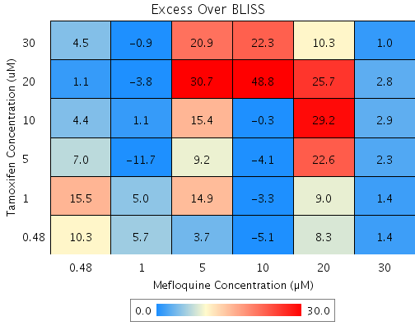
Tamoxifen | 30 | 74.2 | Mefloquine | 30 | 95.8 | D7 | 98.924 | 100 | 1 | 5.1259 | 491.78
Tamoxifen | 30 | 74.2 | Mefloquine | 20 | 59.7 | F2 | 89.589 | 99.9 | 10.3 | 10.592 | 103.16
Tamoxifen | 30 | 74.2 | Mefloquine | 10 | 12.1 | D4 | 77.312 | 99.6 | 22.3 | 5.5497 | 24.936
Tamoxifen | 30 | 74.2 | Mefloquine | 5 | -8.2 | E6 | 72.057 | 93 | 20.9 | 5.5527 | 26.538
Tamoxifen | 30 | 74.2 | Mefloquine | 1 | 0.3 | B7 | 74.254 | 73.3 | -0.9 | 7.4971 | 805.84
Tamoxifen | 30 | 74.2 | Mefloquine | 0.48 | -9.9 | F7 | 71.617 | 76.1 | 4.5 | 7.4683 | 165.77
Tamoxifen | 20 | 35.8 | Mefloquine | 30 | 95.8 | D5 | 97.323 | 100.2 | 2.8 | 3.7953 | 133.85
Tamoxifen | 20 | 35.8 | Mefloquine | 20 | 59.7 | C8 | 74.101 | 99.8 | 25.7 | 8.8559 | 34.409
Tamoxifen | 20 | 35.8 | Mefloquine | 10 | 12.1 | D9 | 43.558 | 92.4 | 48.8 | 4.4612 | 9.1399
Tamoxifen | 20 | 35.8 | Mefloquine | 5 | -8.2 | G5 | 30.484 | 61.2 | 30.7 | 5.3225 | 17.338
Tamoxifen | 20 | 35.8 | Mefloquine | 1 | 0.3 | C3 | 35.951 | 32.1 | -3.8 | 12.802 | 334.2
Tamoxifen | 20 | 35.8 | Mefloquine | 0.48 | -9.9 | G4 | 29.389 | 30.4 | 1.1 | 5.4257 | 515.56
Tamoxifen | 10 | 21.6 | Mefloquine | 30 | 95.8 | E7 | 96.735 | 99.7 | 2.9 | 4.6396 | 157.47
Tamoxifen | 10 | 21.6 | Mefloquine | 20 | 59.7 | E8 | 68.411 | 97.6 | 29.2 | 8.8937 | 30.449
Tamoxifen | 10 | 21.6 | Mefloquine | 10 | 12.1 | G7 | 31.159 | 30.9 | -0.3 | 6.9515 | 2348
Tamoxifen | 10 | 21.6 | Mefloquine | 5 | -8.2 | B6 | 15.214 | 30.6 | 15.4 | 4.6665 | 30.397
Tamoxifen | 10 | 21.6 | Mefloquine | 1 | 0.3 | E10 | 21.881 | 23 | 1.1 | 6.3424 | 575.9
Tamoxifen | 10 | 21.6 | Mefloquine | 0.48 | -9.9 | B8 | 13.878 | 18.3 | 4.4 | 5.2171 | 118.76
Tamoxifen | 5 | 17.5 | Mefloquine | 30 | 95.8 | C6 | 96.562 | 98.8 | 2.3 | 4.397 | 193.67
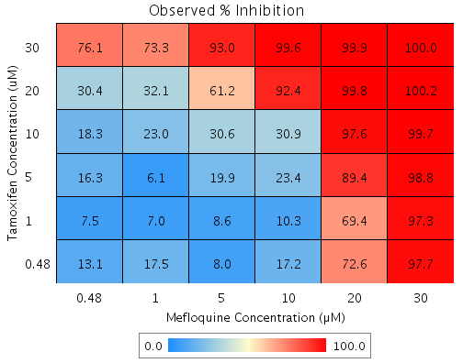
Tamoxifen | 5 | 17.5 | Mefloquine | 20 | 59.7 | E3 | 66.737 | 89.4 | 22.6 | 9.7567 | 43.126
Tamoxifen | 5 | 17.5 | Mefloquine | 10 | 12.1 | G8 | 27.51 | 23.4 | -4.1 | 5.6441 | 138.48
Tamoxifen | 5 | 17.5 | Mefloquine | 5 | -8.2 | D8 | 10.719 | 19.9 | 9.2 | 4.7217 | 51.277
Tamoxifen | 5 | 17.5 | Mefloquine | 1 | 0.3 | D3 | 17.74 | 6.1 | -11.7 | 5.8322 | 49.942
Tamoxifen | 5 | 17.5 | Mefloquine | 0.48 | -9.9 | G2 | 9.3127 | 16.3 | 7 | 7.5316 | 107.71
Tamoxifen | 1 | 1.7 | Mefloquine | 30 | 95.8 | F9 | 95.906 | 97.3 | 1.4 | 4.8844 | 359.11
Tamoxifen | 1 | 1.7 | Mefloquine | 20 | 59.7 | F8 | 60.39 | 69.4 | 9 | 10.571 | 117.45
Tamoxifen | 1 | 1.7 | Mefloquine | 10 | 12.1 | E9 | 13.68 | 10.3 | -3.3 | 5.9011 | 176.27
Tamoxifen | 1 | 1.7 | Mefloquine | 5 | -8.2 | G9 | -6.3143 | 8.6 | 14.9 | 5.4754 | 36.644
Tamoxifen | 1 | 1.7 | Mefloquine | 1 | 0.3 | F6 | 2.0459 | 7 | 5 | 6.2755 | 126.09
Tamoxifen | 1 | 1.7 | Mefloquine | 0.48 | -9.9 | E4 | -7.9895 | 7.5 | 15.5 | 5.1145 | 32.986
Tamoxifen | 0.48 | 11.6 | Mefloquine | 30 | 95.8 | B4 | 96.315 | 97.7 | 1.4 | 5.5038 | 400.49
Tamoxifen | 0.48 | 11.6 | Mefloquine | 20 | 59.7 | B2 | 64.351 | 72.6 | 8.3 | 12.359 | 149.58
Tamoxifen | 0.48 | 11.6 | Mefloquine | 10 | 12.1 | C9 | 22.311 | 17.2 | -5.1 | 6.9497 | 136.86
Tamoxifen | 0.48 | 11.6 | Mefloquine | 5 | -8.2 | G3 | 4.3163 | 8 | 3.7 | 6.5299 | 176.1
Tamoxifen | 0.48 | 11.6 | Mefloquine | 1 | 0.3 | B10 | 11.841 | 17.5 | 5.7 | 5.7779 | 101.55
Tamoxifen | 0.48 | 11.6 | Mefloquine | 0.48 | -9.9 | C10 | 2.8086 | 13.1 | 10.3 | 5.0849 | 49.316

Tamoxifen vs. Nicardipine
Drug1 | Drug1Conc | Drug1_NPI | Drug2 | Drug2Conc | Drug2_NPI | Sci_WellID | PredictedInhibition | ObservedInhibition | Excess Over BLISS | Excess Over BLISS Error | Excess Over BLISS Error Percent
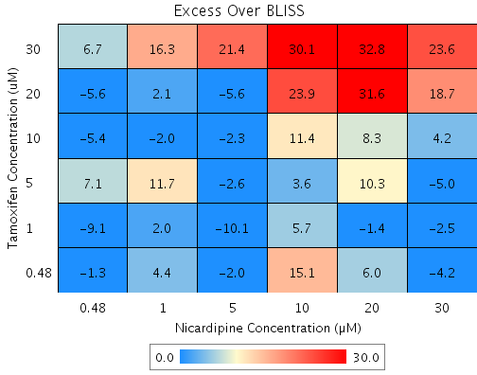
Tamoxifen | 30 | 56.9 | Nicardipine | 30 | 43.1 | B2 | 75.487 | 99.1 | 23.6 | 7.7766 | 32.947
Tamoxifen | 30 | 56.9 | Nicardipine | 20 | 19.2 | D7 | 65.187 | 98 | 32.8 | 9.6026 | 29.261
Tamoxifen | 30 | 56.9 | Nicardipine | 10 | -1.4 | D10 | 56.291 | 86.3 | 30.1 | 9.1737 | 30.522
Tamoxifen | 30 | 56.9 | Nicardipine | 5 | 13.2 | G9 | 62.563 | 84 | 21.4 | 8.1517 | 38.064
Tamoxifen | 30 | 56.9 | Nicardipine | 1 | -4.9 | D8 | 54.772 | 71 | 16.3 | 12.388 | 76.212
Tamoxifen | 30 | 56.9 | Nicardipine | 0.48 | 5.8 | B9 | 59.378 | 66.1 | 6.7 | 12.082 | 179.81
Tamoxifen | 20 | 42 | Nicardipine | 30 | 43.1 | C5 | 67.031 | 85.8 | 18.7 | 5.3892 | 28.773
Tamoxifen | 20 | 42 | Nicardipine | 20 | 19.2 | D4 | 53.177 | 84.8 | 31.6 | 6.3839 | 20.2
Tamoxifen | 20 | 42 | Nicardipine | 10 | -1.4 | C6 | 41.213 | 65.1 | 23.9 | 4.9151 | 20.547
Tamoxifen | 20 | 42 | Nicardipine | 5 | 13.2 | D9 | 49.649 | 44 | -5.6 | 8.4073 | 149.37
Tamoxifen | 20 | 42 | Nicardipine | 1 | -4.9 | C3 | 39.171 | 41.2 | 2.1 | 8.2574 | 401.2
Tamoxifen | 20 | 42 | Nicardipine | 0.48 | 5.8 | D3 | 45.366 | 39.8 | -5.6 | 4.2316 | 75.419
Tamoxifen | 10 | 23.5 | Nicardipine | 30 | 43.1 | G7 | 56.497 | 60.7 | 4.2 | 2.6784 | 64.143
Tamoxifen | 10 | 23.5 | Nicardipine | 20 | 19.2 | E3 | 38.219 | 46.5 | 8.3 | 5.8441 | 70.397
Tamoxifen | 10 | 23.5 | Nicardipine | 10 | -1.4 | B10 | 22.432 | 33.8 | 11.4 | 7.342 | 64.399
Tamoxifen | 10 | 23.5 | Nicardipine | 5 | 13.2 | B6 | 33.562 | 31.2 | -2.3 | 3.5065 | 150.81
Tamoxifen | 10 | 23.5 | Nicardipine | 1 | -4.9 | F8 | 19.737 | 17.7 | -2 | 9.1943 | 454.18
Tamoxifen | 10 | 23.5 | Nicardipine | 0.48 | 5.8 | C2 | 27.911 | 22.5 | -5.4 | 3.4368 | 63.348
Tamoxifen | 5 | 11.9 | Nicardipine | 30 | 43.1 | E8 | 49.911 | 44.9 | -5 | 8.9453 | 177.28
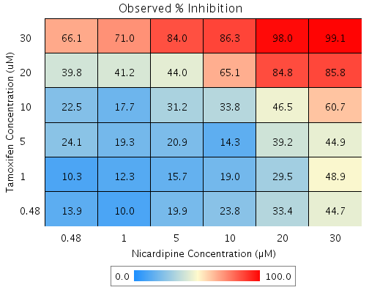
Tamoxifen | 5 | 11.9 | Nicardipine | 20 | 19.2 | C4 | 28.865 | 39.2 | 10.3 | 7.2672 | 70.272
Tamoxifen | 5 | 11.9 | Nicardipine | 10 | -1.4 | F4 | 10.689 | 14.3 | 3.6 | 7.6898 | 214.83
Tamoxifen | 5 | 11.9 | Nicardipine | 5 | 13.2 | F10 | 23.504 | 20.9 | -2.6 | 5.4528 | 209.08
Tamoxifen | 5 | 11.9 | Nicardipine | 1 | -4.9 | E5 | 7.5851 | 19.3 | 11.7 | 8.6144 | 73.469
Tamoxifen | 5 | 11.9 | Nicardipine | 0.48 | 5.8 | B3 | 16.997 | 24.1 | 7.1 | 5.1859 | 73.103
Tamoxifen | 1 | 14.5 | Nicardipine | 30 | 43.1 | B7 | 51.375 | 48.9 | -2.5 | 4.0035 | 161
Tamoxifen | 1 | 14.5 | Nicardipine | 20 | 19.2 | E10 | 30.944 | 29.5 | -1.4 | 6.0786 | 429.93
Tamoxifen | 1 | 14.5 | Nicardipine | 10 | -1.4 | F9 | 13.299 | 19 | 5.7 | 4.1548 | 73.456
Tamoxifen | 1 | 14.5 | Nicardipine | 5 | 13.2 | C9 | 25.74 | 15.7 | -10.1 | 3.4215 | 34.026
Tamoxifen | 1 | 14.5 | Nicardipine | 1 | -4.9 | F2 | 10.286 | 12.3 | 2 | 7.8764 | 392.78
Tamoxifen | 1 | 14.5 | Nicardipine | 0.48 | 5.8 | F6 | 19.423 | 10.3 | -9.1 | 3.3141 | 36.275
Tamoxifen | 0.48 | 10 | Nicardipine | 30 | 43.1 | G3 | 48.849 | 44.7 | -4.2 | 2.6121 | 62.787
Tamoxifen | 0.48 | 10 | Nicardipine | 20 | 19.2 | G6 | 27.356 | 33.4 | 6 | 6.4721 | 107.72
Tamoxifen | 0.48 | 10 | Nicardipine | 10 | -1.4 | B8 | 8.794 | 23.8 | 15.1 | 4.4897 | 29.827
Tamoxifen | 0.48 | 10 | Nicardipine | 5 | 13.2 | B4 | 21.881 | 19.9 | -2 | 3.9446 | 198.15
Tamoxifen | 0.48 | 10 | Nicardipine | 1 | -4.9 | G2 | 5.6245 | 10 | 4.4 | 8.0493 | 184.92
Tamoxifen | 0.48 | 10 | Nicardipine | 0.48 | 5.8 | D5 | 15.236 | 13.9 | -1.3 | 3.0762 | 230.03

Tamoxifen vs. Terfenadine
Drug1 | Drug1Conc | Drug1_NPI | Drug2 | Drug2Conc | Drug2_NPI | Sci_WellID | PredictedInhibition | ObservedInhibition | Excess Over BLISS | Excess Over BLISS Error | Excess Over BLISS Error Percent
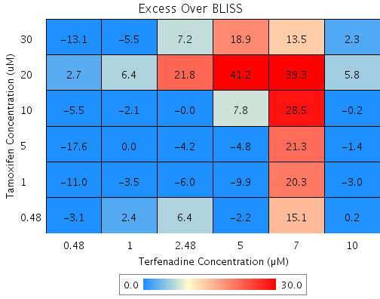
Tamoxifen | 30 | 72.5 | Terfenadine | 10 | 90.8 | F7 | 97.459 | 99.8 | 2.3 | 3.7709 | 163.09
Tamoxifen | 30 | 72.5 | Terfenadine | 7 | 34.7 | E5 | 82.046 | 95.6 | 13.5 | 16.624 | 123.07
Tamoxifen | 30 | 72.5 | Terfenadine | 5 | 18 | B8 | 77.457 | 96.4 | 18.9 | 2.8918 | 15.304
Tamoxifen | 30 | 72.5 | Terfenadine | 2.48 | 7.1 | D8 | 74.47 | 81.7 | 7.2 | 8.1902 | 113.96
Tamoxifen | 30 | 72.5 | Terfenadine | 1 | 1.3 | F8 | 72.86 | 67.4 | -5.5 | 16.002 | 292.15
Tamoxifen | 30 | 72.5 | Terfenadine | 0.48 | 8.7 | E7 | 74.912 | 61.8 | -13.1 | 5.4541 | 41.615
Tamoxifen | 20 | 28.5 | Terfenadine | 10 | 90.8 | C6 | 93.389 | 99.2 | 5.8 | 9.1391 | 156.94
Tamoxifen | 20 | 28.5 | Terfenadine | 7 | 34.7 | E9 | 53.283 | 92.6 | 39.3 | 15.449 | 39.263
Tamoxifen | 20 | 28.5 | Terfenadine | 5 | 18 | C7 | 41.343 | 82.5 | 41.2 | 6.91 | 16.789
Tamoxifen | 20 | 28.5 | Terfenadine | 2.48 | 7.1 | G3 | 33.571 | 55.3 | 21.8 | 9.9778 | 45.864
Tamoxifen | 20 | 28.5 | Terfenadine | 1 | 1.3 | B3 | 29.381 | 35.8 | 6.4 | 12.854 | 199.32
Tamoxifen | 20 | 28.5 | Terfenadine | 0.48 | 8.7 | F6 | 34.72 | 37.4 | 2.7 | 7.2461 | 267.73
Tamoxifen | 10 | 26.9 | Terfenadine | 10 | 90.8 | C9 | 93.244 | 93 | -0.2 | 5.5137 | 2402.8
Tamoxifen | 10 | 26.9 | Terfenadine | 7 | 34.7 | C4 | 52.258 | 80.7 | 28.5 | 14.283 | 50.146
Tamoxifen | 10 | 26.9 | Terfenadine | 5 | 18 | B2 | 40.055 | 47.8 | 7.8 | 5.1934 | 66.858
Tamoxifen | 10 | 26.9 | Terfenadine | 2.48 | 7.1 | E3 | 32.112 | 32.1 | 0 | 7.7129 | 26380
Tamoxifen | 10 | 26.9 | Terfenadine | 1 | 1.3 | F3 | 27.831 | 25.8 | -2.1 | 11.392 | 550.44
Tamoxifen | 10 | 26.9 | Terfenadine | 0.48 | 8.7 | D5 | 33.287 | 27.8 | -5.5 | 4.8639 | 88.716
Tamoxifen | 5 | 18.7 | Terfenadine | 10 | 90.8 | G5 | 92.486 | 91 | -1.4 | 4.0539 | 282.17
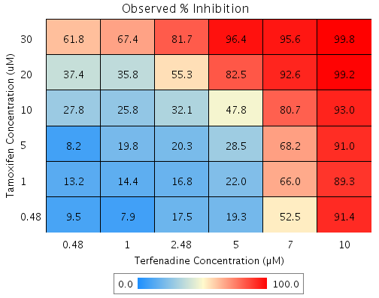
Tamoxifen | 5 | 18.7 | Terfenadine | 7 | 34.7 | E8 | 46.899 | 68.2 | 21.3 | 14.061 | 66.137
Tamoxifen | 5 | 18.7 | Terfenadine | 5 | 18 | C2 | 33.327 | 28.5 | -4.8 | 9.4736 | 197.35
Tamoxifen | 5 | 18.7 | Terfenadine | 2.48 | 7.1 | C8 | 24.492 | 20.3 | -4.2 | 10.736 | 257.85
Tamoxifen | 5 | 18.7 | Terfenadine | 1 | 1.3 | E10 | 19.73 | 19.8 | 0 | 11.366 | 51324
Tamoxifen | 5 | 18.7 | Terfenadine | 0.48 | 8.7 | D3 | 25.799 | 8.2 | -17.6 | 10.002 | 56.846
Tamoxifen | 1 | 16.9 | Terfenadine | 10 | 90.8 | D6 | 92.32 | 89.3 | -3 | 2.1639 | 71.21
Tamoxifen | 1 | 16.9 | Terfenadine | 7 | 34.7 | E4 | 45.728 | 66 | 20.3 | 13.52 | 66.602
Tamoxifen | 1 | 16.9 | Terfenadine | 5 | 18 | E2 | 31.857 | 22 | -9.9 | 7.1896 | 72.664
Tamoxifen | 1 | 16.9 | Terfenadine | 2.48 | 7.1 | B10 | 22.828 | 16.8 | -6 | 8.6587 | 143.47
Tamoxifen | 1 | 16.9 | Terfenadine | 1 | 1.3 | D7 | 17.961 | 14.4 | -3.5 | 10.807 | 304.97
Tamoxifen | 1 | 16.9 | Terfenadine | 0.48 | 8.7 | E6 | 24.163 | 13.2 | -11 | 4.1826 | 38.151
Tamoxifen | 0.48 | 4.2 | Terfenadine | 10 | 90.8 | B5 | 91.151 | 91.4 | 0.2 | 9.014 | 4191.6
Tamoxifen | 0.48 | 4.2 | Terfenadine | 7 | 34.7 | G2 | 37.463 | 52.5 | 15.1 | 18.773 | 124.53
Tamoxifen | 0.48 | 4.2 | Terfenadine | 5 | 18 | B7 | 21.479 | 19.3 | -2.2 | 14.3 | 647.9
Tamoxifen | 0.48 | 4.2 | Terfenadine | 2.48 | 7.1 | G9 | 11.074 | 17.5 | 6.4 | 10.313 | 161.29
Tamoxifen | 0.48 | 4.2 | Terfenadine | 1 | 1.3 | D9 | 5.4665 | 7.9 | 2.4 | 13.48 | 557.33
Tamoxifen | 0.48 | 4.2 | Terfenadine | 0.48 | 8.7 | G10 | 12.613 | 9.5 | -3.1 | 7.8041 | 251.03

Tamoxifen vs. Withaferin A
Drug1 | Drug1Conc | Drug1_NPI | Drug2 | Drug2Conc | Drug2_NPI | Sci_WellID | PredictedInhibition | ObservedInhibition | Excess Over BLISS | Excess Over BLISS Error | Excess Over BLISS Error Percent
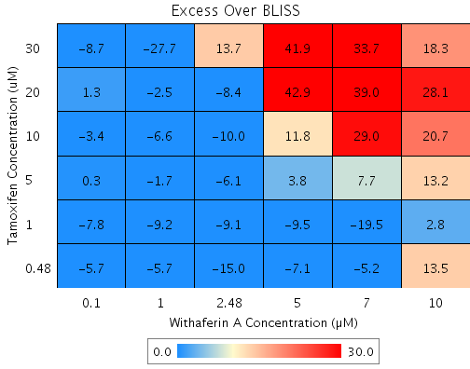
Tamoxifen | 30 | 49.8 | Withaferin A | 10 | 62.7 | B8 | 81.279 | 99.6 | 18.3 | 16.725 | 91.479
Tamoxifen | 30 | 49.8 | Withaferin A | 7 | 31.9 | F3 | 65.812 | 99.5 | 33.7 | 14.928 | 44.346
Tamoxifen | 30 | 49.8 | Withaferin A | 5 | -3 | C9 | 48.33 | 90.2 | 41.9 | 15.165 | 36.22
Tamoxifen | 30 | 49.8 | Withaferin A | 2.48 | 14.3 | G5 | 57.007 | 70.7 | 13.7 | 15.633 | 113.81
Tamoxifen | 30 | 49.8 | Withaferin A | 1 | 15.3 | B2 | 57.494 | 29.8 | -27.7 | 13.962 | 50.445
Tamoxifen | 30 | 49.8 | Withaferin A | 0.1 | 2.7 | D10 | 51.141 | 42.4 | -8.7 | 12.711 | 145.88
Tamoxifen | 20 | 20.9 | Withaferin A | 10 | 62.7 | G4 | 70.509 | 98.6 | 28.1 | 11.536 | 41.03
Tamoxifen | 20 | 20.9 | Withaferin A | 7 | 31.9 | E5 | 46.142 | 85.2 | 39 | 13.879 | 35.555
Tamoxifen | 20 | 20.9 | Withaferin A | 5 | -3 | D7 | 18.602 | 61.5 | 42.9 | 14.563 | 33.911
Tamoxifen | 20 | 20.9 | Withaferin A | 2.48 | 14.3 | D6 | 32.271 | 23.8 | -8.4 | 9.6702 | 114.7
Tamoxifen | 20 | 20.9 | Withaferin A | 1 | 15.3 | E10 | 33.039 | 30.5 | -2.5 | 7.4698 | 293.72
Tamoxifen | 20 | 20.9 | Withaferin A | 0.1 | 2.7 | C7 | 23.031 | 24.4 | 1.3 | 7.2365 | 537.88
Tamoxifen | 10 | 17.5 | Withaferin A | 10 | 62.7 | D3 | 69.214 | 89.9 | 20.7 | 8.3332 | 40.282
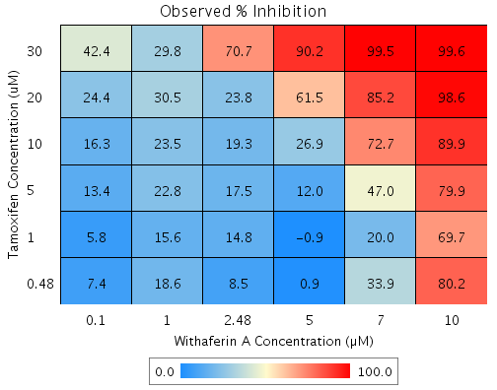
Tamoxifen | 10 | 17.5 | Withaferin A | 7 | 31.9 | C8 | 43.778 | 72.7 | 29 | 8.8637 | 30.601
Tamoxifen | 10 | 17.5 | Withaferin A | 5 | -3 | F10 | 15.028 | 26.9 | 11.8 | 7.2214 | 60.951
Tamoxifen | 10 | 17.5 | Withaferin A | 2.48 | 14.3 | E8 | 29.298 | 19.3 | -10 | 9.0974 | 91.12
Tamoxifen | 10 | 17.5 | Withaferin A | 1 | 15.3 | C2 | 30.099 | 23.5 | -6.6 | 2.7283 | 41.079
Tamoxifen | 10 | 17.5 | Withaferin A | 0.1 | 2.7 | D5 | 19.652 | 16.3 | -3.4 | 2.7849 | 81.927
Tamoxifen | 5 | 10.8 | Withaferin A | 10 | 62.7 | G6 | 66.712 | 79.9 | 13.2 | 11.528 | 87.185
Tamoxifen | 5 | 10.8 | Withaferin A | 7 | 31.9 | G3 | 39.209 | 47 | 7.7 | 11.827 | 152.78
Tamoxifen | 5 | 10.8 | Withaferin A | 5 | -3 | C4 | 8.1223 | 12 | 3.8 | 8.6787 | 225.49
Tamoxifen | 5 | 10.8 | Withaferin A | 2.48 | 14.3 | E3 | 23.551 | 17.5 | -6.1 | 6.1471 | 101.28
Tamoxifen | 5 | 10.8 | Withaferin A | 1 | 15.3 | E9 | 24.418 | 22.8 | -1.7 | 5.8832 | 355.96
Tamoxifen | 5 | 10.8 | Withaferin A | 0.1 | 2.7 | G7 | 13.122 | 13.4 | 0.3 | 6.0812 | 1914.4
Tamoxifen | 1 | 11.2 | Withaferin A | 10 | 62.7 | B9 | 66.87 | 69.7 | 2.8 | 8.9669 | 319.95
Tamoxifen | 1 | 11.2 | Withaferin A | 7 | 31.9 | B4 | 39.497 | 20 | -19.5 | 12.194 | 62.497
Tamoxifen | 1 | 11.2 | Withaferin A | 5 | -3 | B5 | 8.559 | -0.9 | -9.5 | 9.7306 | 102.56
Tamoxifen | 1 | 11.2 | Withaferin A | 2.48 | 14.3 | D9 | 23.915 | 14.8 | -9.1 | 2.7995 | 30.775
Tamoxifen | 1 | 11.2 | Withaferin A | 1 | 15.3 | F5 | 24.777 | 15.6 | -9.2 | 2.3021 | 24.998
Tamoxifen | 1 | 11.2 | Withaferin A | 0.1 | 2.7 | B10 | 13.535 | 5.8 | -7.8 | 6.5379 | 84.21
Tamoxifen | 0.48 | 10.7 | Withaferin A | 10 | 62.7 | G9 | 66.682 | 80.2 | 13.5 | 8.9623 | 66.204
Tamoxifen | 0.48 | 10.7 | Withaferin A | 7 | 31.9 | G10 | 39.153 | 33.9 | -5.2 | 8.9475 | 171.71
Tamoxifen | 0.48 | 10.7 | Withaferin A | 5 | -3 | G2 | 8.0387 | 0.9 | -7.1 | 7.675 | 107.75
Tamoxifen | 0.48 | 10.7 | Withaferin A | 2.48 | 14.3 | E2 | 23.482 | 8.5 | -15 | 7.8165 | 52.222
Tamoxifen | 0.48 | 10.7 | Withaferin A | 1 | 15.3 | F2 | 24.349 | 18.6 | -5.7 | 4.6268 | 80.556
Tamoxifen | 0.48 | 10.7 | Withaferin A | 0.1 | 2.7 | D2 | 13.043 | 7.4 | -5.7 | 3.7347 | 65.958

